1.1 UAT
Try to change data, then data has been changed
SELECT *
FROM [olss_qa_cr].[dbo].[CalculationOfSales]
WHERE COSNumber='00002/SCN/01/12/2014';

Before
IdCalculationOfSales | COSNumber | CustomerCode | ProductCode | CustomerCodeReff | ContractNumberReff | LeaseCategory | MaintenanceType | MonthlyMileage | ExpectedMileage | ExpirationDate | PurchaseAfterLease | NumberPlatColor | SpecialOptions | Usage | Location | ScheduleDateForRegistration | RegistrationDate | EngineNumber | PoliceNumber | ResidualValueAmount | ActualResidualValue | UnitQuantity | Comission | ProfitAmount | TotalAmount | Remarks | IsValid | IsDraft | IsSubmitted | IsDeleted | CreateDate | CreateBy | LastModified | LastModifiedBy
2 | 00002/SCN/01/12/2014 | H00001 | VEH/24-TR/V-001/L3E2CH/201301 | 1020657 | AGR001 | NULL | 1 | 1900-04-09 00:00:00 | 200 | NULL | 1 | 28 | NULL | 12 | Jakarta | NULL | NULL | ENG001 | NULL | 1000000 | NULL | NULL | NULL | 0 | 0 | NULL | 0 | 1 | 0 | 0 | 2014-12-24 17:53:35 | Deny Prasetya | 2015-02-03 13:46:00 | Deny Prasetya

After
IdCalculationOfSales | COSNumber | CustomerCode | ProductCode | CustomerCodeReff | ContractNumberReff | LeaseCategory | MaintenanceType | MonthlyMileage | ExpectedMileage | ExpirationDate | PurchaseAfterLease | NumberPlatColor | SpecialOptions | Usage | Location | ScheduleDateForRegistration | RegistrationDate | EngineNumber | PoliceNumber | ResidualValueAmount | ActualResidualValue | UnitQuantity | Comission | ProfitAmount | TotalAmount | Remarks | IsValid | IsDraft | IsSubmitted | IsDeleted | CreateDate | CreateBy | LastModified | LastModifiedBy
2 | 00002/SCN/01/12/2014 | H00001 | VEH/24-TR/V-001/L3E2CH/201301 | 1020657 | AGR001 | NULL | 1 | 1900-04-09 00:00:00 | 200 | NULL | 1 | 28 | NULL | 12 | Jakarta | NULL | NULL | ENG001 | NULL | 1000000 | 500,000,000 | 1 | 5,000,000 | 494,000,000 | 495,000,000 | NULL | 0 | 1 | 0 | 0 | 2014-12-24 17:53:35 | Deny Prasetya | 2015-05-20 10:17:00 | Achmad Fardani

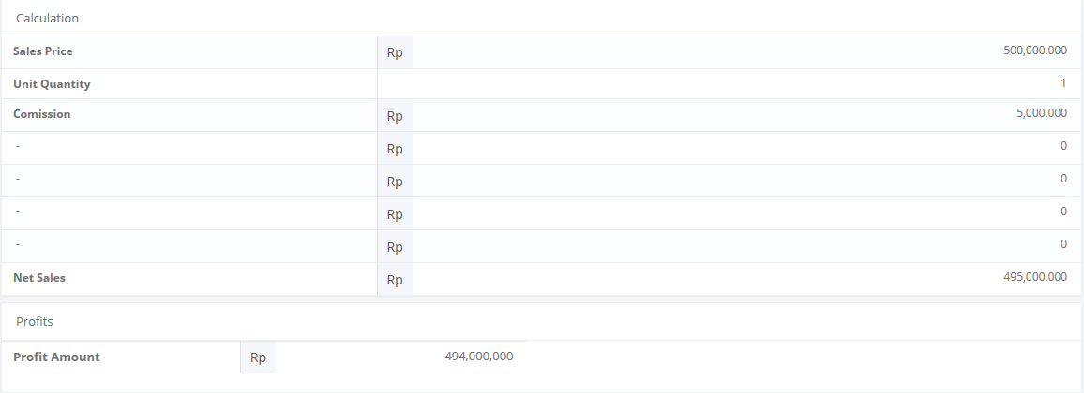

SELECT TOP 5 *
FROM [olss_qa_cr].[dbo].[CalculationOfSales_History]
ORDER BY CreatedDate DESC

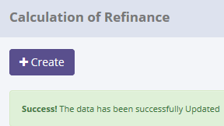
ProcessID | OriginalID | COSNumber | CreatedDate | CreatedBy | Action
1767A112-80F5-41DA-8969-5B9C5DEA6673 | 2 | 00002/SCN/01/12/2014 | 5/20/15 | Achmad Fardani | Save Changes

SELECT *
FROM [olss_qa_cr].[dbo].[CalculationOfSales_History_Dtl]
WHERE ProcessID='1767A112-80F5-41DA-8969-5B9C5DEA6673';

ProcessID | IdCalculationOfSales | COSNumber | CustomerCode | ProductCode | CustomerCodeReff | ContractNumberReff | LeaseCategory | MaintenanceType | MonthlyMileage | ExpectedMileage | ExpirationDate | PurchaseAfterLease | NumberPlatColor | SpecialOptions | Usage | Location | ScheduleDateForRegistration | RegistrationDate | EngineNumber | PoliceNumber | ResidualValueAmount | ActualResidualValue | UnitQuantity | Comission | ProfitAmount | TotalAmount | Remarks | IsValid | IsDraft | IsSubmitted | IsDeleted | CreateDate | CreateBy | LastModified | LastModifiedBy
1767A112-80F5-41DA-8969-5B9C5DEA6673 | 2 | 00002/SCN/01/12/2014 | H00001 | VEH/24-TR/V-001/L3E2CH/201301 | 1020657 | AGR001 | NULL | 1 | 100 | 200 | NULL | 1 | 28 | NULL | 12 | Jakarta | NULL | NULL | ENG001 | NULL | 1000000 | NULL | NULL | NULL | 0 | 0 | NULL | 0 | 1 | 0 | 0 | 2014-12-24 17:53:35 | Deny Prasetya | 2015-02-03 13:46:00 | Deny Prasetya

1.2 UAT
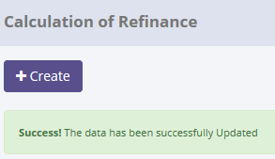
Try to change data, but data hasn't been changed
SELECT *
FROM [olss_qa_cr].[dbo].[CalculationOfSales]
WHERE COSNumber='00002/SCN/01/12/2014';

Before
IdCalculationOfSales | COSNumber | CustomerCode | ProductCode | CustomerCodeReff | ContractNumberReff | LeaseCategory | MaintenanceType | MonthlyMileage | ExpectedMileage | ExpirationDate | PurchaseAfterLease | NumberPlatColor | SpecialOptions | Usage | Location | ScheduleDateForRegistration | RegistrationDate | EngineNumber | PoliceNumber | ResidualValueAmount | ActualResidualValue | UnitQuantity | Comission | ProfitAmount | TotalAmount | Remarks | IsValid | IsDraft | IsSubmitted | IsDeleted | CreateDate | CreateBy | LastModified | LastModifiedBy
2 | 00002/SCN/01/12/2014 | H00001 | VEH/24-TR/V-001/L3E2CH/201301 | 1020657 | AGR001 | NULL | 1 | 1900-04-09 00:00:00 | 200 | NULL | 1 | 28 | NULL | 12 | Jakarta | NULL | NULL | ENG001 | NULL | 1000000 | 500000000 | 1 | 5000000 | 494000000 | 495000000 | NULL | 0 | 1 | 0 | 0 | 2014-12-24 17:53:35 | Deny Prasetya | 2015-05-20 10:17:00 | Achmad Fardani

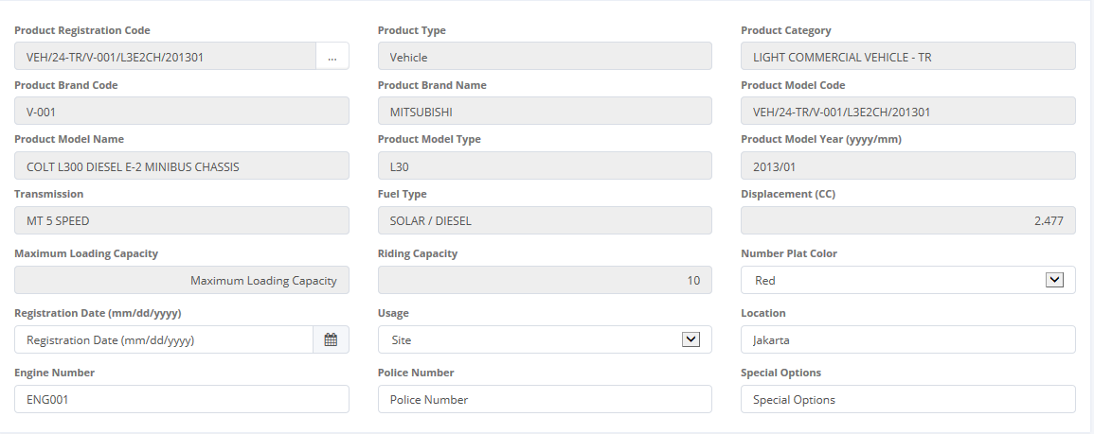
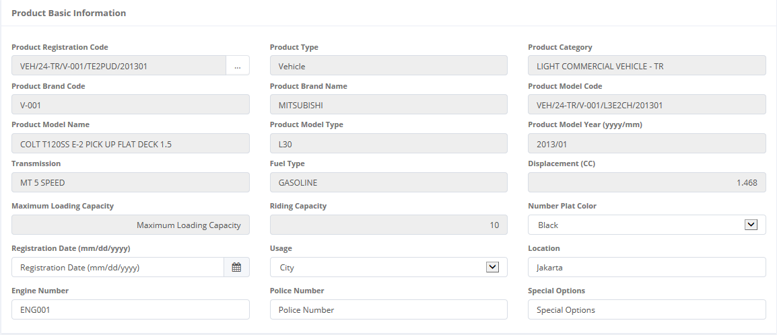

Try to change product code

After
IdCalculationOfSales | COSNumber | CustomerCode | ProductCode | CustomerCodeReff | ContractNumberReff | LeaseCategory | MaintenanceType | MonthlyMileage | ExpectedMileage | ExpirationDate | PurchaseAfterLease | NumberPlatColor | SpecialOptions | Usage | Location | ScheduleDateForRegistration | RegistrationDate | EngineNumber | PoliceNumber | ResidualValueAmount | ActualResidualValue | UnitQuantity | Comission | ProfitAmount | TotalAmount | Remarks | IsValid | IsDraft | IsSubmitted | IsDeleted | CreateDate | CreateBy | LastModified | LastModifiedBy
2 | 00002/SCN/01/12/2014 | H00001 | VEH/24-TR/V-001/L3E2CH/201301 | 1020657 | AGR001 | NULL | 1 | 1900-04-09 00:00:00 | 200 | NULL | 1 | 28 | NULL | 12 | Jakarta | NULL | NULL | ENG001 | NULL | 1000000 | 500000000 | 1 | 5000000 | 494000000 | 495000000 | NULL | 0 | 1 | 0 | 0 | 2014-12-24 17:53:35 | Deny Prasetya | 2015-05-20 10:17:00 | Achmad Fardani

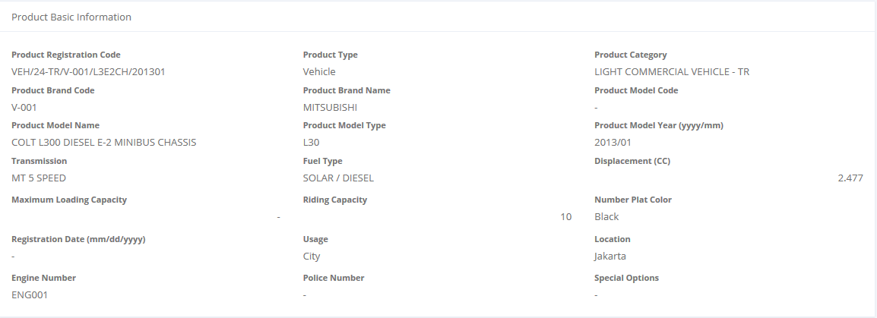

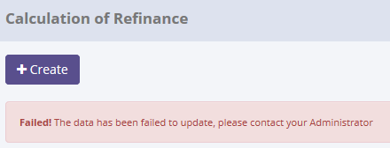

There are no new record on table CalculationOfSales_History
SELECT TOP 5 *
FROM [olss_qa_cr].[dbo].[CalculationOfSales_History]
ORDER BY CreatedDate DESC

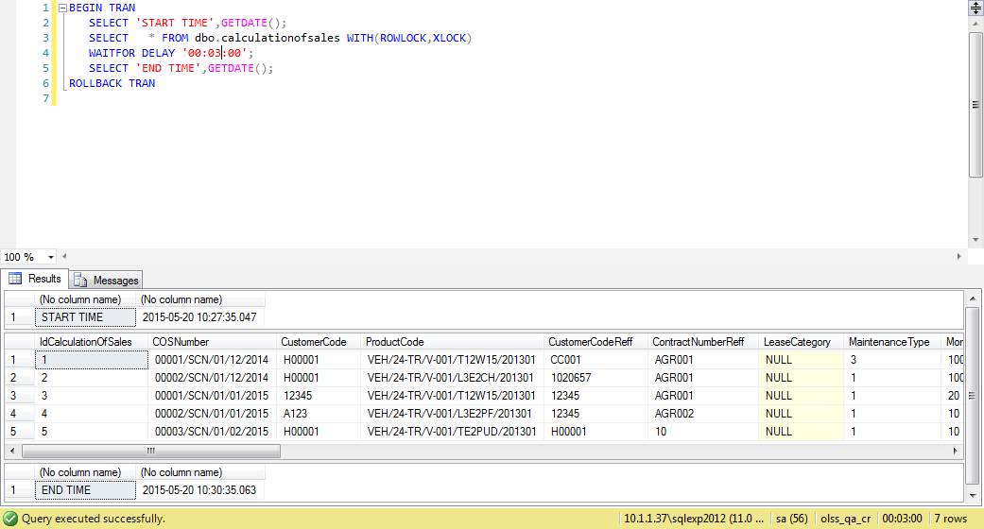
ProcessID | OriginalID | COSNumber | CreatedDate | CreatedBy | Action
1767A112-80F5-41DA-8969-5B9C5DEA6673 | 2 | 00002/SCN/01/12/2014 | 5/20/15 | Achmad Fardani | Save Changes

Process Lock Table CalculationOfSales

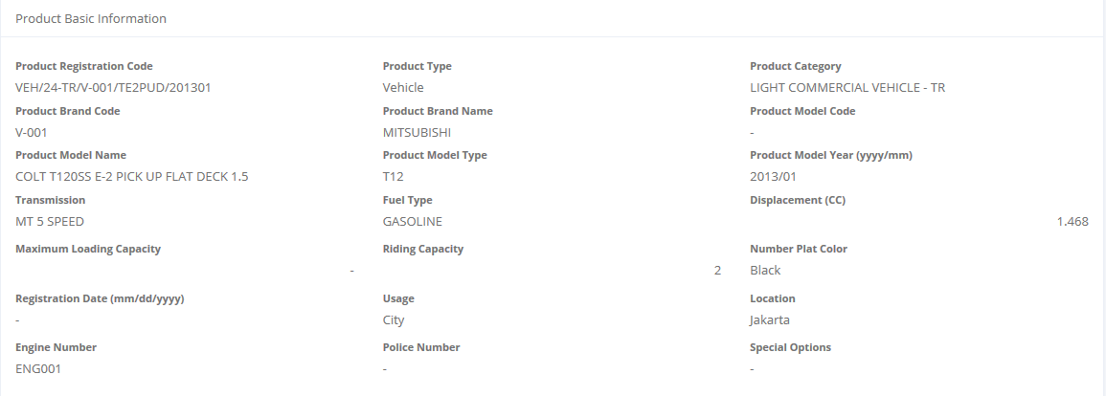

Retry change data with positive test

2.1 UAT
Try to "Submit" data, then data has been changed
SELECT *
FROM [olss_qa_cr].[dbo].[CalculationOfSales]
WHERE COSNumber='00002/SCN/01/12/2014';

Before
IdCalculationOfSales | COSNumber | CustomerCode | ProductCode | CustomerCodeReff | ContractNumberReff | LeaseCategory | MaintenanceType | MonthlyMileage | ExpectedMileage | ExpirationDate | PurchaseAfterLease | NumberPlatColor | SpecialOptions | Usage | Location | ScheduleDateForRegistration | RegistrationDate | EngineNumber | PoliceNumber | ResidualValueAmount | ActualResidualValue | UnitQuantity | Comission | ProfitAmount | TotalAmount | Remarks | IsValid | IsDraft | IsSubmitted | IsDeleted | CreateDate | CreateBy | LastModified | LastModifiedBy
2 | 00002/SCN/01/12/2014 | H00001 | VEH/24-TR/V-001/TE2PUD/201301 | 1020657 | AGR001 | NULL | 1 | 1900-04-09 00:00:00 | 200 | NULL | 1 | 13 | NULL | 12 | Jakarta | NULL | NULL | ENG001 | NULL | 1000000 | 500,000,000 | 1 | 5,000,000 | 494,000,000 | 495,000,000 | NULL | 0 | 1 | 0 | 0 | 2014-12-24 17:53:35 | Deny Prasetya | 2015-05-20 10:36:40 | Achmad Fardani

After
IdCalculationOfSales | COSNumber | CustomerCode | ProductCode | CustomerCodeReff | ContractNumberReff | LeaseCategory | MaintenanceType | MonthlyMileage | ExpectedMileage | ExpirationDate | PurchaseAfterLease | NumberPlatColor | SpecialOptions | Usage | Location | ScheduleDateForRegistration | RegistrationDate | EngineNumber | PoliceNumber | ResidualValueAmount | ActualResidualValue | UnitQuantity | Comission | ProfitAmount | TotalAmount | Remarks | IsValid | IsDraft | IsSubmitted | IsDeleted | CreateDate | CreateBy | LastModified | LastModifiedBy
2 | 00002/SCN/01/12/2014 | H00001 | VEH/24-TR/V-001/TE2PUD/201301 | 1020657 | AGR001 | NULL | 1 | 1900-04-09 00:00:00 | 200 | NULL | 1 | 13 | NULL | 12 | Jakarta | NULL | NULL | ENG001 | NULL | 1000000 | 500,000,000 | 1 | 5,000,000 | 494,000,000 | 495,000,000 | NULL | 0 | 0 | 1 | 0 | 2014-12-24 17:53:35 | Deny Prasetya | 2015-05-20 10:39:53 | Achmad Fardani

SELECT TOP 5 *
FROM [olss_qa_cr].[dbo].[CalculationOfSales_History]
ORDER BY CreatedDate DESC

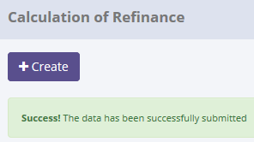
ProcessID | OriginalID | COSNumber | CreatedDate | CreatedBy | Action
16610671-1E1E-42B1-A7AE-6616D8D05447 | 2 | 00002/SCN/01/12/2014 | 5/20/15 | Achmad Fardani | Submit
E3BC8AF3-5E47-47C6-87CA-BEFC6F529E6E | 2 | 00002/SCN/01/12/2014 | 5/20/15 | Achmad Fardani | Save Changes
1767A112-80F5-41DA-8969-5B9C5DEA6673 | 2 | 00002/SCN/01/12/2014 | 5/20/15 | Achmad Fardani | Save Changes

SELECT *
FROM [olss_qa_cr].[dbo].[CalculationOfSales_History_Dtl]
WHERE ProcessID='1767A112-80F5-41DA-8969-5B9C5DEA6673';

ProcessID | IdCalculationOfSales | COSNumber | CustomerCode | ProductCode | CustomerCodeReff | ContractNumberReff | LeaseCategory | MaintenanceType | MonthlyMileage | ExpectedMileage | ExpirationDate | PurchaseAfterLease | NumberPlatColor | SpecialOptions | Usage | Location | ScheduleDateForRegistration | RegistrationDate | EngineNumber | PoliceNumber | ResidualValueAmount | ActualResidualValue | UnitQuantity | Comission | ProfitAmount | TotalAmount | Remarks | IsValid | IsDraft | IsSubmitted | IsDeleted | CreateDate | CreateBy | LastModified | LastModifiedBy
16610671-1E1E-42B1-A7AE-6616D8D05447 | 2 | 00002/SCN/01/12/2014 | H00001 | VEH/24-TR/V-001/TE2PUD/201301 | 1020657 | AGR001 | NULL | 1 | 100 | 200 | NULL | 1 | 13 | NULL | 12 | Jakarta | NULL | NULL | ENG001 | NULL | 1000000 | 500000000 | 1 | 5000000 | 494000000 | 495000000 | NULL | 0 | 1 | 0 | 0 | 2014-12-24 17:53:35 | Deny Prasetya | 2015-05-20 10:36:40 | Achmad Fardani

2.2 UAT
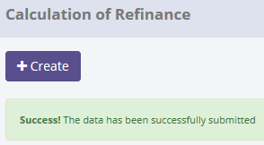
Try to "Submit" data, but data hasn't been changed
SELECT *
FROM [olss_qa_cr].[dbo].[CalculationOfSales]
WHERE COSNumber='00002/SCN/01/01/2015';

Before
IdCalculationOfSales | COSNumber | CustomerCode | ProductCode | CustomerCodeReff | ContractNumberReff | LeaseCategory | MaintenanceType | MonthlyMileage | ExpectedMileage | ExpirationDate | PurchaseAfterLease | NumberPlatColor | SpecialOptions | Usage | Location | ScheduleDateForRegistration | RegistrationDate | EngineNumber | PoliceNumber | ResidualValueAmount | ActualResidualValue | UnitQuantity | Comission | ProfitAmount | TotalAmount | Remarks | IsValid | IsDraft | IsSubmitted | IsDeleted | CreateDate | CreateBy | LastModified | LastModifiedBy
4 | 00002/SCN/01/01/2015 | A123 | VEH/24-TR/V-001/L3E2PF/201301 | 12345 | AGR002 | NULL | 1 | 1900-01-10 00:00:00 | 20 | NULL | 1 | 13 | NULL | 11 | Semarang | NULL | NULL | ANG001 | NULL | 1000000 | NULL | NULL | NULL | 0 | 0 | NULL | 0 | 1 | 0 | 0 | 2015-01-20 11:38:16 | Deny Prasetya | NULL | NULL

After
IdCalculationOfSales | COSNumber | CustomerCode | ProductCode | CustomerCodeReff | ContractNumberReff | LeaseCategory | MaintenanceType | MonthlyMileage | ExpectedMileage | ExpirationDate | PurchaseAfterLease | NumberPlatColor | SpecialOptions | Usage | Location | ScheduleDateForRegistration | RegistrationDate | EngineNumber | PoliceNumber | ResidualValueAmount | ActualResidualValue | UnitQuantity | Comission | ProfitAmount | TotalAmount | Remarks | IsValid | IsDraft | IsSubmitted | IsDeleted | CreateDate | CreateBy | LastModified | LastModifiedBy
4 | 00002/SCN/01/01/2015 | A123 | VEH/24-TR/V-001/L3E2PF/201301 | 12345 | AGR002 | NULL | 1 | 1900-01-10 00:00:00 | 20 | NULL | 1 | 13 | NULL | 11 | Semarang | NULL | NULL | ANG001 | NULL | 1000000 | NULL | NULL | NULL | 0 | 0 | NULL | 0 | 1 | 0 | 0 | 2015-01-20 11:38:16 | Deny Prasetya | NULL | NULL

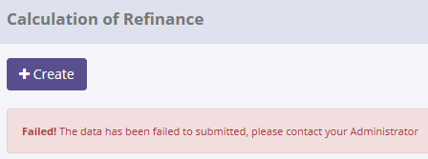

There are no new record on table CalculationOfSales_History
SELECT TOP 5 *
FROM [olss_qa_cr].[dbo].[CalculationOfSales_History]
ORDER BY CreatedDate DESC


ProcessID | OriginalID | COSNumber | CreatedDate | CreatedBy | Action
16610671-1E1E-42B1-A7AE-6616D8D05447 | 2 | 00002/SCN/01/12/2014 | 5/20/15 | Achmad Fardani | Submit
E3BC8AF3-5E47-47C6-87CA-BEFC6F529E6E | 2 | 00002/SCN/01/12/2014 | 5/20/15 | Achmad Fardani | Save Changes
1767A112-80F5-41DA-8969-5B9C5DEA6673 | 2 | 00002/SCN/01/12/2014 | 5/20/15 | Achmad Fardani | Save Changes

Process Lock Table CalculationOfSales

Retry "Submit" data with positive test

3.1 UAT
Try to "Set to Draft" data, then data has been changed
SELECT *
FROM [olss_qa_cr].[dbo].[CalculationOfSales]
WHERE COSNumber='00002/SCN/01/01/2015';

Before
IdCalculationOfSales | COSNumber | CustomerCode | ProductCode | CustomerCodeReff | ContractNumberReff | LeaseCategory | MaintenanceType | MonthlyMileage | ExpectedMileage | ExpirationDate | PurchaseAfterLease | NumberPlatColor | SpecialOptions | Usage | Location | ScheduleDateForRegistration | RegistrationDate | EngineNumber | PoliceNumber | ResidualValueAmount | ActualResidualValue | UnitQuantity | Comission | ProfitAmount | TotalAmount | Remarks | IsValid | IsDraft | IsSubmitted | IsDeleted | CreateDate | CreateBy | LastModified | LastModifiedBy
4 | 00002/SCN/01/01/2015 | A123 | VEH/24-TR/V-001/L3E2PF/201301 | 12345 | AGR002 | NULL | 1 | 1900-01-10 00:00:00 | 20 | NULL | 1 | 13 | NULL | 11 | Semarang | NULL | NULL | ANG001 | NULL | 1000000 | NULL | NULL | NULL | 0 | 0 | NULL | 0 | 0 | 1 | 0 | 2015-01-20 11:38:16 | Deny Prasetya | 2015-05-20 10:48:55 | Achmad Fardani

After
IdCalculationOfSales | COSNumber | CustomerCode | ProductCode | CustomerCodeReff | ContractNumberReff | LeaseCategory | MaintenanceType | MonthlyMileage | ExpectedMileage | ExpirationDate | PurchaseAfterLease | NumberPlatColor | SpecialOptions | Usage | Location | ScheduleDateForRegistration | RegistrationDate | EngineNumber | PoliceNumber | ResidualValueAmount | ActualResidualValue | UnitQuantity | Comission | ProfitAmount | TotalAmount | Remarks | IsValid | IsDraft | IsSubmitted | IsDeleted | CreateDate | CreateBy | LastModified | LastModifiedBy
4 | 00002/SCN/01/01/2015 | A123 | VEH/24-TR/V-001/L3E2PF/201301 | 12345 | AGR002 | NULL | 1 | 1900-01-10 00:00:00 | 20 | NULL | 1 | 13 | NULL | 11 | Semarang | NULL | NULL | ANG001 | NULL | 1000000 | NULL | NULL | NULL | 0 | 0 | NULL | 0 | 1 | 0 | 0 | 2015-01-20 11:38:16 | Deny Prasetya | 2015-05-20 10:52:02 | Achmad Fardani

SELECT TOP 5 *
FROM [olss_qa_cr].[dbo].[CalculationOfSales_History]
ORDER BY CreatedDate DESC

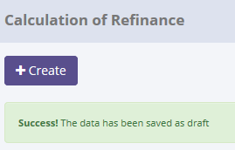
ProcessID | OriginalID | COSNumber | CreatedDate | CreatedBy | Action
5479D6C2-E874-41CD-A1FB-D3BCC3E1ED91 | 4 | 00002/SCN/01/01/2015 | 5/20/15 | Achmad Fardani | Set to Draft
51DDE6AC-750E-405C-A226-7FB8B9C01359 | 4 | 00002/SCN/01/01/2015 | 5/20/15 | Achmad Fardani | Submit
16610671-1E1E-42B1-A7AE-6616D8D05447 | 2 | 00002/SCN/01/12/2014 | 5/20/15 | Achmad Fardani | Submit
E3BC8AF3-5E47-47C6-87CA-BEFC6F529E6E | 2 | 00002/SCN/01/12/2014 | 5/20/15 | Achmad Fardani | Save Changes
1767A112-80F5-41DA-8969-5B9C5DEA6673 | 2 | 00002/SCN/01/12/2014 | 5/20/15 | Achmad Fardani | Save Changes

SELECT *
FROM [olss_qa_cr].[dbo].[CalculationOfSales_History_Dtl]
WHERE ProcessID='5479D6C2-E874-41CD-A1FB-D3BCC3E1ED91';

ProcessID | IdCalculationOfSales | COSNumber | CustomerCode | ProductCode | CustomerCodeReff | ContractNumberReff | LeaseCategory | MaintenanceType | MonthlyMileage | ExpectedMileage | ExpirationDate | PurchaseAfterLease | NumberPlatColor | SpecialOptions | Usage | Location | ScheduleDateForRegistration | RegistrationDate | EngineNumber | PoliceNumber | ResidualValueAmount | ActualResidualValue | UnitQuantity | Comission | ProfitAmount | TotalAmount | Remarks | IsValid | IsDraft | IsSubmitted | IsDeleted | CreateDate | CreateBy | LastModified | LastModifiedBy
5479D6C2-E874-41CD-A1FB-D3BCC3E1ED91 | 4 | 00002/SCN/01/01/2015 | A123 | VEH/24-TR/V-001/L3E2PF/201301 | 12345 | AGR002 | NULL | 1 | 10 | 20 | NULL | 1 | 13 | NULL | 11 | Semarang | NULL | NULL | ANG001 | NULL | 1000000 | NULL | NULL | NULL | 0 | 0 | NULL | 0 | 0 | 1 | 0 | 2015-01-20 11:38:16 | Deny Prasetya | 2015-05-20 10:48:55 | Achmad Fardani

3.2 UAT
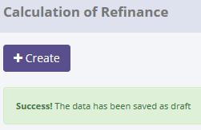
Try to "Set to Draft" data, but data hasn't been changed
SELECT *
FROM [olss_qa_cr].[dbo].[CalculationOfSales]
WHERE COSNumber='00002/SCN/01/12/2014';

Before
IdCalculationOfSales | COSNumber | CustomerCode | ProductCode | CustomerCodeReff | ContractNumberReff | LeaseCategory | MaintenanceType | MonthlyMileage | ExpectedMileage | ExpirationDate | PurchaseAfterLease | NumberPlatColor | SpecialOptions | Usage | Location | ScheduleDateForRegistration | RegistrationDate | EngineNumber | PoliceNumber | ResidualValueAmount | ActualResidualValue | UnitQuantity | Comission | ProfitAmount | TotalAmount | Remarks | IsValid | IsDraft | IsSubmitted | IsDeleted | CreateDate | CreateBy | LastModified | LastModifiedBy
2 | 00002/SCN/01/12/2014 | H00001 | VEH/24-TR/V-001/TE2PUD/201301 | 1020657 | AGR001 | NULL | 1 | 1900-04-09 00:00:00 | 200 | NULL | 1 | 13 | NULL | 12 | Jakarta | NULL | NULL | ENG001 | NULL | 1000000 | 500000000 | 1 | 5000000 | 494000000 | 495000000 | NULL | 0 | 0 | 1 | 0 | 2014-12-24 17:53:35 | Deny Prasetya | 2015-05-20 10:39:53 | Achmad Fardani

After
IdCalculationOfSales | COSNumber | CustomerCode | ProductCode | CustomerCodeReff | ContractNumberReff | LeaseCategory | MaintenanceType | MonthlyMileage | ExpectedMileage | ExpirationDate | PurchaseAfterLease | NumberPlatColor | SpecialOptions | Usage | Location | ScheduleDateForRegistration | RegistrationDate | EngineNumber | PoliceNumber | ResidualValueAmount | ActualResidualValue | UnitQuantity | Comission | ProfitAmount | TotalAmount | Remarks | IsValid | IsDraft | IsSubmitted | IsDeleted | CreateDate | CreateBy | LastModified | LastModifiedBy
2 | 00002/SCN/01/12/2014 | H00001 | VEH/24-TR/V-001/TE2PUD/201301 | 1020657 | AGR001 | NULL | 1 | 1900-04-09 00:00:00 | 200 | NULL | 1 | 13 | NULL | 12 | Jakarta | NULL | NULL | ENG001 | NULL | 1000000 | 500000000 | 1 | 5000000 | 494000000 | 495000000 | NULL | 0 | 0 | 1 | 0 | 2014-12-24 17:53:35 | Deny Prasetya | 2015-05-20 10:39:53 | Achmad Fardani

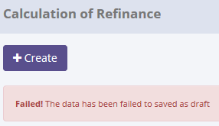

There are no new record on table CalculationOfSales_History
SELECT TOP 5 *
FROM [olss_qa_cr].[dbo].[CalculationOfSales_History]
ORDER BY CreatedDate DESC


ProcessID | OriginalID | COSNumber | CreatedDate | CreatedBy | Action
5479D6C2-E874-41CD-A1FB-D3BCC3E1ED91 | 4 | 00002/SCN/01/01/2015 | 2015-05-20 10:52:02 | Achmad Fardani | Set to Draft
51DDE6AC-750E-405C-A226-7FB8B9C01359 | 4 | 00002/SCN/01/01/2015 | 2015-05-20 10:48:55 | Achmad Fardani | Submit
16610671-1E1E-42B1-A7AE-6616D8D05447 | 2 | 00002/SCN/01/12/2014 | 2015-05-20 10:39:53 | Achmad Fardani | Submit
E3BC8AF3-5E47-47C6-87CA-BEFC6F529E6E | 2 | 00002/SCN/01/12/2014 | 2015-05-20 10:36:40 | Achmad Fardani | Save Changes
1767A112-80F5-41DA-8969-5B9C5DEA6673 | 2 | 00002/SCN/01/12/2014 | 2015-05-20 10:17:00 | Achmad Fardani | Save Changes

Process Lock Table CalculationOfSales

Retry "Set to Draft" data with positive test

4.1 UAT
Try to "change" data, then data has been changed
SELECT *
FROM [olss_qa_cr].[dbo].[SalesQuotation]
WHERE COSQuotationNumber='00002/SQN/01/02/2015';

Before
IdSalesQuotation | COSNumber | COSProposalNumber | COSQuotationNumber | COSQuotationDate | Validuntil | Terms | ExpectedDeliveryDate | DeliveryPlace | ExactSalesAmount | DownPayment | Payment | Tax | Remarks | IsValid | IsDraft | IsSubmitted | IsDeleted | CreateDate | CreateBy | LastModified | LastModifiedBy
4 | 00003/SCN/01/02/2015 | qwerty | 00002/SQN/01/02/2015 | 2015-02-03 00:00:00 | 2015-02-03 00:00:00 | sasa | NULL | sasa | 100,000 | 1000 | 0 | NULL | NULL | 0 | 1 | 0 | 0 | 2015-02-03 14:26:15 | Deny Prasetya | NULL | NULL

After
IdSalesQuotation | COSNumber | COSProposalNumber | COSQuotationNumber | COSQuotationDate | Validuntil | Terms | ExpectedDeliveryDate | DeliveryPlace | ExactSalesAmount | DownPayment | Payment | Tax | Remarks | IsValid | IsDraft | IsSubmitted | IsDeleted | CreateDate | CreateBy | LastModified | LastModifiedBy
4 | 00001/SCN/01/01/2015 | qwerty | 00002/SQN/01/02/2015 | 2015-02-03 00:00:00 | 2015-02-03 00:00:00 | sasa | NULL | sasa | 0 | 1000 | 0 | NULL | NULL | 0 | 1 | 0 | 0 | 2015-02-03 14:26:15 | Deny Prasetya | 2015-05-20 11:06:52 | Achmad Fardani

SELECT TOP 5 *
FROM [olss_qa_cr].[dbo].[SalesQuotation_History]
ORDER BY CreatedDate DESC

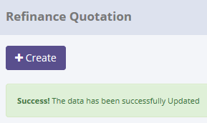
ProcessID | OriginalID | COSQuotationNumber | CreatedDate | CreatedBy | Action
A872F62F-4699-436A-ACFA-DAAF92ECC8B7 | 4 | 00002/SQN/01/02/2015 | 5/20/15 | Achmad Fardani | Save Changes

SELECT *
FROM [olss_qa_cr].[dbo].[SalesQuotation_History_Dtl]
WHERE ProcessID='A872F62F-4699-436A-ACFA-DAAF92ECC8B7';

ProcessID | IdSalesQuotation | COSNumber | COSProposalNumber | COSQuotationNumber | COSQuotationDate | Validuntil | Terms | ExpectedDeliveryDate | DeliveryPlace | ExactSalesAmount | DownPayment | Payment | Tax | Remarks | IsValid | IsDraft | IsSubmitted | IsDeleted | CreateDate | CreateBy | LastModified | LastModifiedBy
A872F62F-4699-436A-ACFA-DAAF92ECC8B7 | 4 | 00003/SCN/01/02/2015 | qwerty | 00002/SQN/01/02/2015 | 2015-02-03 00:00:00 | 2015-02-03 00:00:00 | sasa | NULL | sasa | 100000 | 1000 | 0 | NULL | NULL | 0 | 1 | 0 | 0 | 2015-02-03 14:26:15 | Deny Prasetya | NULL | NULL

4.2 UAT
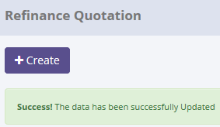
Try to "change" data, but data hasn't been changed
SELECT *
FROM [olss_qa_cr].[dbo].[SalesQuotation]
WHERE COSNumber='00002/SCN/01/12/2014';

Before
IdSalesQuotation | COSNumber | COSProposalNumber | COSQuotationNumber | COSQuotationDate | Validuntil | Terms | ExpectedDeliveryDate | DeliveryPlace | ExactSalesAmount | DownPayment | Payment | Tax | Remarks | IsValid | IsDraft | IsSubmitted | IsDeleted | CreateDate | CreateBy | LastModified | LastModifiedBy
4 | 00001/SCN/01/01/2015 | qwerty | 00002/SQN/01/02/2015 | 2015-02-03 00:00:00 | 2015-02-03 00:00:00 | sasa | NULL | sasa | 0 | 1000 | 0 | NULL | NULL | 0 | 1 | 0 | 0 | 2015-02-03 14:26:15 | Deny Prasetya | 2015-05-20 11:06:52 | Achmad Fardani

After
IdSalesQuotation | COSNumber | COSProposalNumber | COSQuotationNumber | COSQuotationDate | Validuntil | Terms | ExpectedDeliveryDate | DeliveryPlace | ExactSalesAmount | DownPayment | Payment | Tax | Remarks | IsValid | IsDraft | IsSubmitted | IsDeleted | CreateDate | CreateBy | LastModified | LastModifiedBy
4 | 00001/SCN/01/01/2015 | qwerty | 00002/SQN/01/02/2015 | 2015-02-03 00:00:00 | 2015-02-03 00:00:00 | sasa | NULL | sasa | 0 | 1000 | 0 | NULL | NULL | 0 | 1 | 0 | 0 | 2015-02-03 14:26:15 | Deny Prasetya | 2015-05-20 11:06:52 | Achmad Fardani

There are no new record on table SalesQuotation_History
SELECT TOP 5 *
FROM [olss_qa_cr].[dbo].[SalesQuotation_History]
ORDER BY CreatedDate DESC

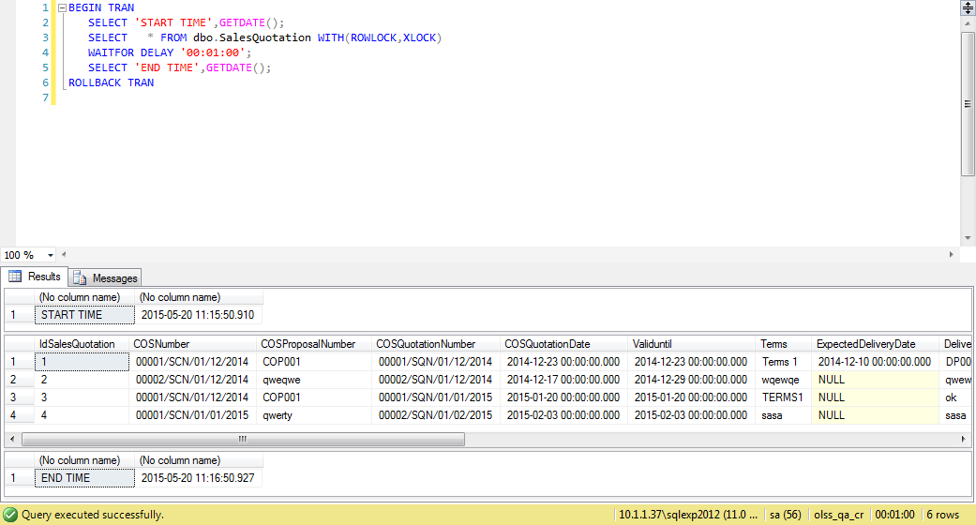
ProcessID | OriginalID | COSQuotationNumber | CreatedDate | CreatedBy | Action
A872F62F-4699-436A-ACFA-DAAF92ECC8B7 | 4 | 00002/SQN/01/02/2015 | 5/20/15 | Achmad Fardani | Save Changes

Process Lock Table SalesQuotation

Retry "change" data with positive test

5.1 UAT
Try to "Submit" data, then data has been changed
SELECT *
FROM [olss_qa_cr].[dbo].[SalesQuotation]
WHERE COSQuotationNumber='00002/SQN/01/02/2015';

Before
IdSalesQuotation | COSNumber | COSProposalNumber | COSQuotationNumber | COSQuotationDate | Validuntil | Terms | ExpectedDeliveryDate | DeliveryPlace | ExactSalesAmount | DownPayment | Payment | Tax | Remarks | IsValid | IsDraft | IsSubmitted | IsDeleted | CreateDate | CreateBy | LastModified | LastModifiedBy
4 | 00001/SCN/01/01/2015 | Proposal12345 | 00002/SQN/01/02/2015 | 2015-02-03 00:00:00 | 2015-02-03 00:00:00 | sasa | NULL | sasa | 0 | 1000 | 0 | NULL | NULL | 0 | 1 | 0 | 0 | 2015-02-03 14:26:15 | Deny Prasetya | 2015-05-20 11:22:59 | Achmad Fardani

After
IdSalesQuotation | COSNumber | COSProposalNumber | COSQuotationNumber | COSQuotationDate | Validuntil | Terms | ExpectedDeliveryDate | DeliveryPlace | ExactSalesAmount | DownPayment | Payment | Tax | Remarks | IsValid | IsDraft | IsSubmitted | IsDeleted | CreateDate | CreateBy | LastModified | LastModifiedBy
4 | 00001/SCN/01/01/2015 | Proposal12345 | 00002/SQN/01/02/2015 | 2015-02-03 00:00:00 | 2015-02-03 00:00:00 | sasa | NULL | sasa | 0 | 1000 | 0 | NULL | NULL | 0 | 0 | 1 | 0 | 2015-02-03 14:26:15 | Deny Prasetya | 2015-05-20 11:25:44 | Achmad Fardani

SELECT TOP 5 *
FROM [olss_qa_cr].[dbo].[SalesQuotation_History]
ORDER BY CreatedDate DESC
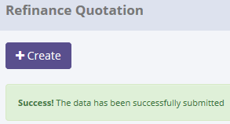
ProcessID | OriginalID | COSQuotationNumber | CreatedDate | CreatedBy | Action
8B27BB1E-7C05-4B4C-819D-E0A3C9722698 | 4 | 00002/SQN/01/02/2015 | 2015-05-20 11:25:44 | Achmad Fardani | Submit
DED82F39-03B1-4FBB-9952-9EDEAAB1AFCE | 4 | 00002/SQN/01/02/2015 | 2015-05-20 11:22:59 | Achmad Fardani | Save Changes
A872F62F-4699-436A-ACFA-DAAF92ECC8B7 | 4 | 00002/SQN/01/02/2015 | 2015-05-20 11:06:52 | Achmad Fardani | Save Changes

SELECT *
FROM [olss_qa_cr].[dbo].[SalesQuotation_History_Dtl]
WHERE ProcessID='8B27BB1E-7C05-4B4C-819D-E0A3C9722698';

ProcessID | IdSalesQuotation | COSNumber | COSProposalNumber | COSQuotationNumber | COSQuotationDate | Validuntil | Terms | ExpectedDeliveryDate | DeliveryPlace | ExactSalesAmount | DownPayment | Payment | Tax | Remarks | IsValid | IsDraft | IsSubmitted | IsDeleted | CreateDate | CreateBy | LastModified | LastModifiedBy
8B27BB1E-7C05-4B4C-819D-E0A3C9722698 | 4 | 00001/SCN/01/01/2015 | Proposal12345 | 00002/SQN/01/02/2015 | 2015-02-03 00:00:00 | 2015-02-03 00:00:00 | sasa | NULL | sasa | 0 | 1000 | 0 | NULL | NULL | 0 | 1 | 0 | 0 | 2015-02-03 14:26:15 | Deny Prasetya | 2015-05-20 11:22:59 | Achmad Fardani

5.2 UAT
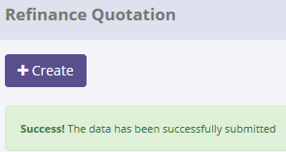
Try to "Submit" data, but data hasn't been changed
SELECT *
FROM [olss_qa_cr].[dbo].[SalesQuotation]
WHERE COSNumber='00002/SCN/01/12/2014';

Before
IdSalesQuotation | COSNumber | COSProposalNumber | COSQuotationNumber | COSQuotationDate | Validuntil | Terms | ExpectedDeliveryDate | DeliveryPlace | ExactSalesAmount | DownPayment | Payment | Tax | Remarks | IsValid | IsDraft | IsSubmitted | IsDeleted | CreateDate | CreateBy | LastModified | LastModifiedBy
4 | 00001/SCN/01/01/2015 | Proposal12345 | 00002/SQN/01/02/2015 | 2015-02-03 00:00:00 | 2015-02-03 00:00:00 | sasa | NULL | sasa | 0 | 1000 | 0 | NULL | NULL | 0 | 1 | 0 | 0 | 2015-02-03 14:26:15 | Deny Prasetya | 2015-05-20 11:25:44 | Achmad Fardani

After
IdSalesQuotation | COSNumber | COSProposalNumber | COSQuotationNumber | COSQuotationDate | Validuntil | Terms | ExpectedDeliveryDate | DeliveryPlace | ExactSalesAmount | DownPayment | Payment | Tax | Remarks | IsValid | IsDraft | IsSubmitted | IsDeleted | CreateDate | CreateBy | LastModified | LastModifiedBy
4 | 00001/SCN/01/01/2015 | Proposal12345 | 00002/SQN/01/02/2015 | 2015-02-03 00:00:00 | 2015-02-03 00:00:00 | sasa | NULL | sasa | 0 | 1000 | 0 | NULL | NULL | 0 | 1 | 0 | 0 | 2015-02-03 14:26:15 | Deny Prasetya | 2015-05-20 11:25:44 | Achmad Fardani

There are no new record on table SalesQuotation_History
SELECT TOP 5 *
FROM [olss_qa_cr].[dbo].[SalesQuotation_History]
ORDER BY CreatedDate DESC

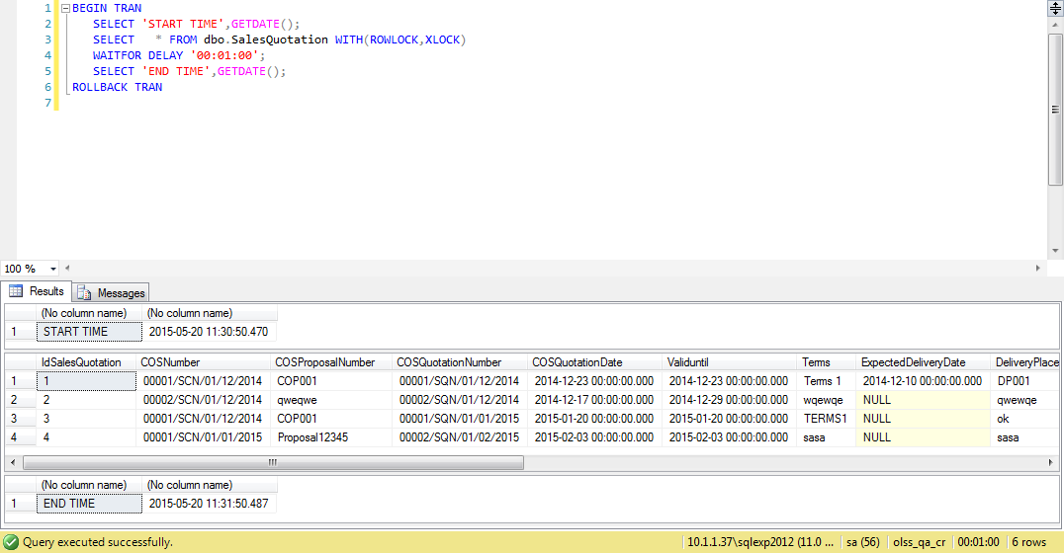
ProcessID | OriginalID | COSQuotationNumber | CreatedDate | CreatedBy | Action
8B27BB1E-7C05-4B4C-819D-E0A3C9722698 | 4 | 00002/SQN/01/02/2015 | 2015-05-20 11:25:44 | Achmad Fardani | Submit
DED82F39-03B1-4FBB-9952-9EDEAAB1AFCE | 4 | 00002/SQN/01/02/2015 | 2015-05-20 11:22:59 | Achmad Fardani | Save Changes
A872F62F-4699-436A-ACFA-DAAF92ECC8B7 | 4 | 00002/SQN/01/02/2015 | 2015-05-20 11:06:52 | Achmad Fardani | Save Changes

Process Lock Table SalesQuotation

Retry "Submit" data with positive test

6.1 UAT
Try to "Set to Draft" data, then data has been changed
SELECT *
FROM [olss_qa_cr].[dbo].[SalesQuotation]
WHERE COSQuotationNumber='00001/SCN/01/12/2014';

Before
IdSalesQuotation | COSNumber | COSProposalNumber | COSQuotationNumber | COSQuotationDate | Validuntil | Terms | ExpectedDeliveryDate | DeliveryPlace | ExactSalesAmount | DownPayment | Payment | Tax | Remarks | IsValid | IsDraft | IsSubmitted | IsDeleted | CreateDate | CreateBy | LastModified | LastModifiedBy
3 | 00001/SCN/01/12/2014 | COP001 | 00001/SQN/01/01/2015 | 2015-01-20 00:00:00 | 2015-01-20 00:00:00 | TERMS1 | NULL | ok | 0 | 200000000 | 0 | NULL | NULL | 0 | 0 | 1 | 0 | 2015-01-20 11:44:52 | Deny Prasetya | 2015-01-20 14:02:18 | Deny Prasetya

After
IdSalesQuotation | COSNumber | COSProposalNumber | COSQuotationNumber | COSQuotationDate | Validuntil | Terms | ExpectedDeliveryDate | DeliveryPlace | ExactSalesAmount | DownPayment | Payment | Tax | Remarks | IsValid | IsDraft | IsSubmitted | IsDeleted | CreateDate | CreateBy | LastModified | LastModifiedBy
3 | 00001/SCN/01/12/2014 | COP001 | 00001/SQN/01/01/2015 | 2015-01-20 00:00:00 | 2015-01-20 00:00:00 | TERMS1 | NULL | ok | 0 | 200000000 | 0 | NULL | NULL | 0 | 1 | 0 | 0 | 2015-01-20 11:44:52 | Deny Prasetya | 2015-05-20 11:45:32 | Achmad Fardani

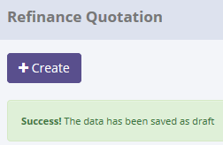
SELECT TOP 5 *
FROM [olss_qa_cr].[dbo].[SalesQuotation_History]
ORDER BY CreatedDate DESC

ProcessID | OriginalID | COSQuotationNumber | CreatedDate | CreatedBy | Action
BC9B1F82-791D-4ABF-AF35-EFFE838AF8BE | 3 | 00001/SQN/01/01/2015 | 5/20/15 | Achmad Fardani | Set to Draft
56F38A3D-3F44-4957-B832-DE8940CC5644 | 4 | 00002/SQN/01/02/2015 | 5/20/15 | Achmad Fardani | Submit
8B27BB1E-7C05-4B4C-819D-E0A3C9722698 | 4 | 00002/SQN/01/02/2015 | 5/20/15 | Achmad Fardani | Submit
DED82F39-03B1-4FBB-9952-9EDEAAB1AFCE | 4 | 00002/SQN/01/02/2015 | 5/20/15 | Achmad Fardani | Save Changes
A872F62F-4699-436A-ACFA-DAAF92ECC8B7 | 4 | 00002/SQN/01/02/2015 | 5/20/15 | Achmad Fardani | Save Changes

SELECT *
FROM [olss_qa_cr].[dbo].[SalesQuotation_History_Dtl]
WHERE ProcessID='BC9B1F82-791D-4ABF-AF35-EFFE838AF8BE';

ProcessID | IdSalesQuotation | COSNumber | COSProposalNumber | COSQuotationNumber | COSQuotationDate | Validuntil | Terms | ExpectedDeliveryDate | DeliveryPlace | ExactSalesAmount | DownPayment | Payment | Tax | Remarks | IsValid | IsDraft | IsSubmitted | IsDeleted | CreateDate | CreateBy | LastModified | LastModifiedBy
BC9B1F82-791D-4ABF-AF35-EFFE838AF8BE | 3 | 00001/SCN/01/12/2014 | COP001 | 00001/SQN/01/01/2015 | 2015-01-20 00:00:00 | 2015-01-20 00:00:00 | TERMS1 | NULL | ok | 0 | 200000000 | 0 | NULL | NULL | 0 | 0 | 1 | 0 | 2015-01-20 11:44:52 | Deny Prasetya | 2015-01-20 14:02:18 | Deny Prasetya

6.2 UAT
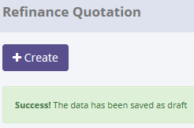
Try to "Set to Draft" data, but data hasn't been changed
SELECT *
FROM [olss_qa_cr].[dbo].[SalesQuotation]
WHERE COSNumber='00002/SQN/01/02/2015';

Before
IdSalesQuotation | COSNumber | COSProposalNumber | COSQuotationNumber | COSQuotationDate | Validuntil | Terms | ExpectedDeliveryDate | DeliveryPlace | ExactSalesAmount | DownPayment | Payment | Tax | Remarks | IsValid | IsDraft | IsSubmitted | IsDeleted | CreateDate | CreateBy | LastModified | LastModifiedBy
4 | 00001/SCN/01/01/2015 | Proposal12345 | 00002/SQN/01/02/2015 | 2015-02-03 00:00:00 | 2015-02-03 00:00:00 | sasa | NULL | sasa | 0 | 1000 | 0 | NULL | NULL | 0 | 0 | 1 | 0 | 2015-02-03 14:26:15 | Deny Prasetya | 2015-05-20 11:43:08 | Achmad Fardani

After
IdSalesQuotation | COSNumber | COSProposalNumber | COSQuotationNumber | COSQuotationDate | Validuntil | Terms | ExpectedDeliveryDate | DeliveryPlace | ExactSalesAmount | DownPayment | Payment | Tax | Remarks | IsValid | IsDraft | IsSubmitted | IsDeleted | CreateDate | CreateBy | LastModified | LastModifiedBy
4 | 00001/SCN/01/01/2015 | Proposal12345 | 00002/SQN/01/02/2015 | 2015-02-03 00:00:00 | 2015-02-03 00:00:00 | sasa | NULL | sasa | 0 | 1000 | 0 | NULL | NULL | 0 | 0 | 1 | 0 | 2015-02-03 14:26:15 | Deny Prasetya | 2015-05-20 11:43:08 | Achmad Fardani

There are no new record on table SalesQuotation_History
SELECT TOP 5 *
FROM [olss_qa_cr].[dbo].[SalesQuotation_History]
ORDER BY CreatedDate DESC


ProcessID | OriginalID | COSQuotationNumber | CreatedDate | CreatedBy | Action
BC9B1F82-791D-4ABF-AF35-EFFE838AF8BE | 3 | 00001/SQN/01/01/2015 | 2015-05-20 11:45:32 | Achmad Fardani | Set to Draft
56F38A3D-3F44-4957-B832-DE8940CC5644 | 4 | 00002/SQN/01/02/2015 | 2015-05-20 11:43:08 | Achmad Fardani | Submit
8B27BB1E-7C05-4B4C-819D-E0A3C9722698 | 4 | 00002/SQN/01/02/2015 | 2015-05-20 11:25:44 | Achmad Fardani | Submit
DED82F39-03B1-4FBB-9952-9EDEAAB1AFCE | 4 | 00002/SQN/01/02/2015 | 2015-05-20 11:22:59 | Achmad Fardani | Save Changes
A872F62F-4699-436A-ACFA-DAAF92ECC8B7 | 4 | 00002/SQN/01/02/2015 | 2015-05-20 11:06:52 | Achmad Fardani | Save Changes

Process Lock Table SalesQuotation

Retry "Set to Draft" data with positive test

7.1 UAT
Try to "Validate" data, then data has been changed
SELECT *
FROM [olss_qa_cr].[dbo].[SalesQuotation]
WHERE COSQuotationNumber='00002/SQN/01/12/2014';

Before
IdSalesQuotation | COSNumber | COSProposalNumber | COSQuotationNumber | COSQuotationDate | Validuntil | Terms | ExpectedDeliveryDate | DeliveryPlace | ExactSalesAmount | DownPayment | Payment | Tax | Remarks | IsValid | IsDraft | IsSubmitted | IsDeleted | CreateDate | CreateBy | LastModified | LastModifiedBy
2 | 00002/SCN/01/12/2014 | qweqwe | 00002/SQN/01/12/2014 | 2014-12-17 00:00:00 | 2014-12-29 00:00:00 | wqewqe | NULL | qwewqe | 0 | 1223 | 0 | NULL | NULL | 0 | 0 | 1 | 0 | 2014-12-29 16:04:55 | Deny Prasetya | 2015-01-20 14:04:56 | Deny Prasetya

After
IdSalesQuotation | COSNumber | COSProposalNumber | COSQuotationNumber | COSQuotationDate | Validuntil | Terms | ExpectedDeliveryDate | DeliveryPlace | ExactSalesAmount | DownPayment | Payment | Tax | Remarks | IsValid | IsDraft | IsSubmitted | IsDeleted | CreateDate | CreateBy | LastModified | LastModifiedBy
2 | 00002/SCN/01/12/2014 | qweqwe | 00002/SQN/01/12/2014 | 2014-12-17 00:00:00 | 2014-12-29 00:00:00 | wqewqe | NULL | qwewqe | 0 | 1223 | 0 | NULL | NULL | 1 | 0 | 0 | 0 | 2014-12-29 16:04:55 | Deny Prasetya | 2015-05-20 13:16:30 | Achmad Fardani

SELECT TOP 5 *
FROM [olss_qa_cr].[dbo].[SalesQuotation_History]
ORDER BY CreatedDate DESC
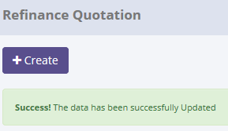
ProcessID | OriginalID | COSQuotationNumber | CreatedDate | CreatedBy | Action
2FAED6DE-3427-46D0-B043-75BF4FBFE87D | 2 | 00002/SQN/01/12/2014 | 2015-05-20 13:16:30 | Achmad Fardani | Validate
AB484552-8DFD-4DD5-A487-893F2C91294F | 4 | 00002/SQN/01/02/2015 | 2015-05-20 11:53:59 | Achmad Fardani | Set to Draft
BC9B1F82-791D-4ABF-AF35-EFFE838AF8BE | 3 | 00001/SQN/01/01/2015 | 2015-05-20 11:45:32 | Achmad Fardani | Set to Draft
56F38A3D-3F44-4957-B832-DE8940CC5644 | 4 | 00002/SQN/01/02/2015 | 2015-05-20 11:43:08 | Achmad Fardani | Submit
8B27BB1E-7C05-4B4C-819D-E0A3C9722698 | 4 | 00002/SQN/01/02/2015 | 2015-05-20 11:25:44 | Achmad Fardani | Submit

SELECT *
FROM [olss_qa_cr].[dbo].[SalesQuotation_History_Dtl]
WHERE ProcessID='2FAED6DE-3427-46D0-B043-75BF4FBFE87D';

ProcessID | IdSalesQuotation | COSNumber | COSProposalNumber | COSQuotationNumber | COSQuotationDate | Validuntil | Terms | ExpectedDeliveryDate | DeliveryPlace | ExactSalesAmount | DownPayment | Payment | Tax | Remarks | IsValid | IsDraft | IsSubmitted | IsDeleted | CreateDate | CreateBy | LastModified | LastModifiedBy
2FAED6DE-3427-46D0-B043-75BF4FBFE87D | 2 | 00002/SCN/01/12/2014 | qweqwe | 00002/SQN/01/12/2014 | 2014-12-17 00:00:00 | 2014-12-29 00:00:00 | wqewqe | NULL | qwewqe | 0 | 1223 | 0 | NULL | NULL | 0 | 0 | 1 | 0 | 2014-12-29 16:04:55 | Deny Prasetya | 2015-01-20 14:04:56 | Deny Prasetya

7.2 UAT
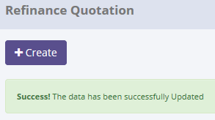
Try to "Validate" data, but data hasn't been changed
SELECT *
FROM [olss_qa_cr].[dbo].[SalesQuotation]
WHERE COSNumber='00001/SQN/01/01/2015';

Before
IdSalesQuotation | COSNumber | COSProposalNumber | COSQuotationNumber | COSQuotationDate | Validuntil | Terms | ExpectedDeliveryDate | DeliveryPlace | ExactSalesAmount | DownPayment | Payment | Tax | Remarks | IsValid | IsDraft | IsSubmitted | IsDeleted | CreateDate | CreateBy | LastModified | LastModifiedBy
3 | 00001/SCN/01/12/2014 | COP001 | 00001/SQN/01/01/2015 | 2015-01-20 00:00:00 | 2015-01-20 00:00:00 | TERMS1 | NULL | ok | 0 | 200000000 | 0 | NULL | NULL | 0 | 0 | 1 | 0 | 2015-01-20 11:44:52 | Deny Prasetya | 2015-05-20 11:45:32 | Achmad Fardani

After
IdSalesQuotation | COSNumber | COSProposalNumber | COSQuotationNumber | COSQuotationDate | Validuntil | Terms | ExpectedDeliveryDate | DeliveryPlace | ExactSalesAmount | DownPayment | Payment | Tax | Remarks | IsValid | IsDraft | IsSubmitted | IsDeleted | CreateDate | CreateBy | LastModified | LastModifiedBy
3 | 00001/SCN/01/12/2014 | COP001 | 00001/SQN/01/01/2015 | 2015-01-20 00:00:00 | 2015-01-20 00:00:00 | TERMS1 | NULL | ok | 0 | 200000000 | 0 | NULL | NULL | 0 | 0 | 1 | 0 | 2015-01-20 11:44:52 | Deny Prasetya | 2015-05-20 11:45:32 | Achmad Fardani

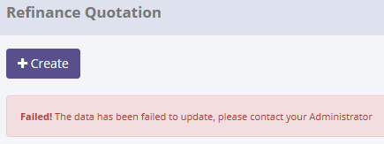

There are no new record on table SalesQuotation_History
SELECT TOP 5 *
FROM [olss_qa_cr].[dbo].[SalesQuotation_History]
ORDER BY CreatedDate DESC


ProcessID | OriginalID | COSQuotationNumber | CreatedDate | CreatedBy | Action
2FAED6DE-3427-46D0-B043-75BF4FBFE87D | 2 | 00002/SQN/01/12/2014 | 2015-05-20 13:16:30 | Achmad Fardani | Validate
AB484552-8DFD-4DD5-A487-893F2C91294F | 4 | 00002/SQN/01/02/2015 | 2015-05-20 11:53:59 | Achmad Fardani | Set to Draft
BC9B1F82-791D-4ABF-AF35-EFFE838AF8BE | 3 | 00001/SQN/01/01/2015 | 2015-05-20 11:45:32 | Achmad Fardani | Set to Draft
56F38A3D-3F44-4957-B832-DE8940CC5644 | 4 | 00002/SQN/01/02/2015 | 2015-05-20 11:43:08 | Achmad Fardani | Submit
8B27BB1E-7C05-4B4C-819D-E0A3C9722698 | 4 | 00002/SQN/01/02/2015 | 2015-05-20 11:25:44 | Achmad Fardani | Submit

Process Lock Table SalesQuotation

Retry "Validate" data with positive test

8.1 UAT
Try to "Invalidate" data, then data has been changed
SELECT *
FROM [olss_qa_cr].[dbo].[SalesQuotation]
WHERE COSQuotationNumber='00002/SCN/01/12/2014';

Before
IdSalesQuotation | COSNumber | COSProposalNumber | COSQuotationNumber | COSQuotationDate | Validuntil | Terms | ExpectedDeliveryDate | DeliveryPlace | ExactSalesAmount | DownPayment | Payment | Tax | Remarks | IsValid | IsDraft | IsSubmitted | IsDeleted | CreateDate | CreateBy | LastModified | LastModifiedBy
2 | 00002/SCN/01/12/2014 | qweqwe | 00002/SQN/01/12/2014 | 2014-12-17 00:00:00 | 2014-12-29 00:00:00 | wqewqe | NULL | qwewqe | 0 | 1223 | 0 | NULL | NULL | 1 | 0 | 0 | 0 | 2014-12-29 16:04:55 | Deny Prasetya | 2015-05-20 13:16:30 | Achmad Fardani

After
IdSalesQuotation | COSNumber | COSProposalNumber | COSQuotationNumber | COSQuotationDate | Validuntil | Terms | ExpectedDeliveryDate | DeliveryPlace | ExactSalesAmount | DownPayment | Payment | Tax | Remarks | IsValid | IsDraft | IsSubmitted | IsDeleted | CreateDate | CreateBy | LastModified | LastModifiedBy
2 | 00002/SCN/01/12/2014 | qweqwe | 00002/SQN/01/12/2014 | 2014-12-17 00:00:00 | 2014-12-29 00:00:00 | wqewqe | NULL | qwewqe | 0 | 1223 | 0 | NULL | NULL | 0 | 0 | 0 | 0 | 2014-12-29 16:04:55 | Deny Prasetya | 2015-05-20 13:25:46 | Achmad Fardani

SELECT TOP 5 *
FROM [olss_qa_cr].[dbo].[SalesQuotation_History]
ORDER BY CreatedDate DESC
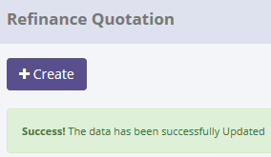
ProcessID | OriginalID | COSQuotationNumber | CreatedDate | CreatedBy | Action
0DF5E7ED-3B6A-41B5-B4CA-4AB99377AB7D | 2 | 00002/SQN/01/12/2014 | 2015-05-20 13:25:46 | Achmad Fardani | Invalidate
B4C0945E-9FE7-4DCF-8398-DC651B8F6888 | 3 | 00001/SQN/01/01/2015 | 2015-05-20 13:23:36 | Achmad Fardani | Validate
2FAED6DE-3427-46D0-B043-75BF4FBFE87D | 2 | 00002/SQN/01/12/2014 | 2015-05-20 13:16:30 | Achmad Fardani | Validate
AB484552-8DFD-4DD5-A487-893F2C91294F | 4 | 00002/SQN/01/02/2015 | 2015-05-20 11:53:59 | Achmad Fardani | Set to Draft
BC9B1F82-791D-4ABF-AF35-EFFE838AF8BE | 3 | 00001/SQN/01/01/2015 | 2015-05-20 11:45:32 | Achmad Fardani | Set to Draft

SELECT *
FROM [olss_qa_cr].[dbo].[SalesQuotation_History_Dtl]
WHERE ProcessID='0DF5E7ED-3B6A-41B5-B4CA-4AB99377AB7D';

ProcessID | IdSalesQuotation | COSNumber | COSProposalNumber | COSQuotationNumber | COSQuotationDate | Validuntil | Terms | ExpectedDeliveryDate | DeliveryPlace | ExactSalesAmount | DownPayment | Payment | Tax | Remarks | IsValid | IsDraft | IsSubmitted | IsDeleted | CreateDate | CreateBy | LastModified | LastModifiedBy
0DF5E7ED-3B6A-41B5-B4CA-4AB99377AB7D | 2 | 00002/SCN/01/12/2014 | qweqwe | 00002/SQN/01/12/2014 | 2014-12-17 00:00:00 | 2014-12-29 00:00:00 | wqewqe | NULL | qwewqe | 0 | 1223 | 0 | NULL | NULL | 1 | 0 | 0 | 0 | 2014-12-29 16:04:55 | Deny Prasetya | 2015-05-20 13:16:30 | Achmad Fardani

8.2 UAT
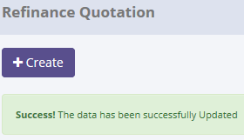
Try to "Invalidate" data, but data hasn't been changed
SELECT *
FROM [olss_qa_cr].[dbo].[SalesQuotation]
WHERE COSNumber='00001/SQN/01/01/2015';

Before
IdSalesQuotation | COSNumber | COSProposalNumber | COSQuotationNumber | COSQuotationDate | Validuntil | Terms | ExpectedDeliveryDate | DeliveryPlace | ExactSalesAmount | DownPayment | Payment | Tax | Remarks | IsValid | IsDraft | IsSubmitted | IsDeleted | CreateDate | CreateBy | LastModified | LastModifiedBy
3 | 00001/SCN/01/12/2014 | COP001 | 00001/SQN/01/01/2015 | 2015-01-20 00:00:00 | 2015-01-20 00:00:00 | TERMS1 | NULL | ok | 0 | 200000000 | 0 | NULL | NULL | 1 | 0 | 0 | 0 | 2015-01-20 11:44:52 | Deny Prasetya | 2015-05-20 13:23:36 | Achmad Fardani

After
IdSalesQuotation | COSNumber | COSProposalNumber | COSQuotationNumber | COSQuotationDate | Validuntil | Terms | ExpectedDeliveryDate | DeliveryPlace | ExactSalesAmount | DownPayment | Payment | Tax | Remarks | IsValid | IsDraft | IsSubmitted | IsDeleted | CreateDate | CreateBy | LastModified | LastModifiedBy
3 | 00001/SCN/01/12/2014 | COP001 | 00001/SQN/01/01/2015 | 2015-01-20 00:00:00 | 2015-01-20 00:00:00 | TERMS1 | NULL | ok | 0 | 200000000 | 0 | NULL | NULL | 1 | 0 | 0 | 0 | 2015-01-20 11:44:52 | Deny Prasetya | 2015-05-20 13:23:36 | Achmad Fardani

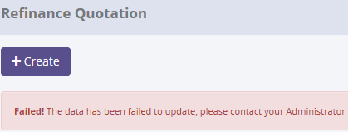

There are no new record on table SalesQuotation_History
SELECT TOP 5 *
FROM [olss_qa_cr].[dbo].[SalesQuotation_History]
ORDER BY CreatedDate DESC


ProcessID | OriginalID | COSQuotationNumber | CreatedDate | CreatedBy | Action
2FAED6DE-3427-46D0-B043-75BF4FBFE87D | 2 | 00002/SQN/01/12/2014 | 2015-05-20 13:16:30 | Achmad Fardani | Validate
AB484552-8DFD-4DD5-A487-893F2C91294F | 4 | 00002/SQN/01/02/2015 | 2015-05-20 11:53:59 | Achmad Fardani | Set to Draft
BC9B1F82-791D-4ABF-AF35-EFFE838AF8BE | 3 | 00001/SQN/01/01/2015 | 2015-05-20 11:45:32 | Achmad Fardani | Set to Draft
56F38A3D-3F44-4957-B832-DE8940CC5644 | 4 | 00002/SQN/01/02/2015 | 2015-05-20 11:43:08 | Achmad Fardani | Submit
8B27BB1E-7C05-4B4C-819D-E0A3C9722698 | 4 | 00002/SQN/01/02/2015 | 2015-05-20 11:25:44 | Achmad Fardani | Submit

Process Lock Table SalesQuotation

Retry "Invalidate" data with positive test

9.1 UAT
Try to "Invalidate" data, then data has been changed
SELECT *
FROM [olss_qa_cr].[dbo].[OPLCalculation]
WHERE OPLCalculationNumber ='00037/OCN/01/05/2015';

Before
IdOPLCalculation | OPLCalculationNumber | ProductCode | CustomerCode | LeaseCategory | ContractNumberReff | Usage | StartPeriodPlan | EndPeriodPlan | LeasePeriodPlan | MonthlyMileage | NumberPlatColor | MaintenanceType | PurchaseAfterLease | Insurance | STNKRenewal | KEURRenewal | Carroserrie | CarroserrieType | Accessories | AccessoriesType | IsNewUnit | BASTHAndoverSchedule | SecurityDepositPayment | SecurityDepositAmount | FirstLeasePayment | TotalUnitQuantityLease | SpecialCaseRemarks | MonthlyInstallmentSetting | InterestExpense | InterestExpenseBAST | TotalCost | MonthlyInstallmentAmount | InterestRatePercent | Spread | ProfitAmount | InsuranceCommisionAmount | TotalProfitAmount | Remarks | IsValid | IsDraft | IsSubmitted | IsDeleted | CreateDate | CreateBy | LastModified | LastModifiedBy
55 | 00037/OCN/01/05/2015 | VEH/24-TR/V-001/TE2PUD/201301 | 151501 | 1900-01-07 00:00:00 | NULL | 11 | 1/1/15 | 1/1/20 | 60 | NULL | 13 | 5 | 1 | 1 | NULL | NULL | NULL | NULL | NULL | Test | NULL | NULL | 0 | 0 | 0 | 1 | NULL | 1 | 219665127.99 | 0 | 747974842 | 14600000 | 0:00:00 | NULL | NULL | NULL | 876000000 | 6 | 0:00:00 | 1 | 0:00:00 | 0 | 2015-05-08 09:18:41 | Achmad Fardani | 2015-05-08 09:57:54 | Achmad Fardani

SELECT *
FROM [olss_qa_cr].[dbo].[OPLBasicCondition]
WHERE IdOPLCalculation=55;

IdOPLCalculation | ProductPrice | ProductDiscount | ATPMDiscount | ProductPriceTotal | AccesoriesPrice | AccesoriesDiscount | AccesoriesPriceTotal | CarroserriePrice | CarroserrieDiscount | CarroserriePriceTotal | ResidualValueAmount | SResidualValueAmount | ResidualValuePercent | SResidualValuePercent | Remarks
55 | 630000000 | 60000000 | NULL | 570000000 | 157000000 | NULL | 157000000 | NULL | NULL | 20000000 | 299700000 | 330870000 | 40.120482 | 41 | NULL

After
IdOPLCalculation | OPLCalculationNumber | ProductCode | CustomerCode | LeaseCategory | ContractNumberReff | Usage | StartPeriodPlan | EndPeriodPlan | LeasePeriodPlan | MonthlyMileage | NumberPlatColor | MaintenanceType | PurchaseAfterLease | Insurance | STNKRenewal | KEURRenewal | Carroserrie | CarroserrieType | Accessories | AccessoriesType | IsNewUnit | BASTHAndoverSchedule | SecurityDepositPayment | SecurityDepositAmount | FirstLeasePayment | TotalUnitQuantityLease | SpecialCaseRemarks | MonthlyInstallmentSetting | InterestExpense | InterestExpenseBAST | TotalCost | MonthlyInstallmentAmount | InterestRatePercent | Spread | ProfitAmount | InsuranceCommisionAmount | TotalProfitAmount | Remarks | IsValid | IsDraft | IsSubmitted | IsDeleted | CreateDate | CreateBy | LastModified | LastModifiedBy
55 | 00037/OCN/01/05/2015 | VEH/24-TR/V-001/TE2PUD/201301 | 151501 | 1900-01-07 00:00:00 | NULL | 11 | 1/1/15 | 12/31/19 | 60 | NULL | 13 | 5 | 1 | 1 | NULL | NULL | NULL | NULL | NULL | Test | NULL | NULL | 0 | 0 | 0 | 1 | NULL | 1 | 225708185.16 | 0 | 747974842 | 15090000 | 0:00:00 | NULL | NULL | NULL | 905400000 | 6 | 0:00:00 | 1 | 0:00:00 | 0 | 2015-05-08 09:18:41 | Achmad Fardani | 2015-05-20 13:44:34 | Achmad Fardani

SELECT *
FROM [olss_qa_cr].[dbo].[OPLBasicCondition]
WHERE IdOPLCalculation=55;

IdOPLCalculation | ProductPrice | ProductDiscount | ATPMDiscount | ProductPriceTotal | AccesoriesPrice | AccesoriesDiscount | AccesoriesPriceTotal | CarroserriePrice | CarroserrieDiscount | CarroserriePriceTotal | ResidualValueAmount | SResidualValueAmount | ResidualValuePercent | SResidualValuePercent | Remarks
55 | 630000000 | 60000000 | NULL | 570000000 | 157000000 | NULL | 157000000 | 20000000 | NULL | 20000000 | 299700000 | 330870000 | 40.120482 | 41 | NULL

SELECT TOP 5 *
FROM [olss_qa_cr].[dbo].[OPLCalculation_History]
ORDER BY CreatedDate DESC

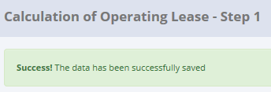
ProcessID | OriginalID | OPLCalculationNo | CreatedDate | CreatedBy | Action
9E237B8F-DD97-4EB0-88E0-6BAA4083840E | 55 | 00037/OCN/01/05/2015 | 5/20/15 | Achmad Fardani | Save Changes

SELECT *
FROM [olss_qa_cr].[dbo].[OplCalculation_History_Dtl]
WHERE ProcessID='9E237B8F-DD97-4EB0-88E0-6BAA4083840E';

ProcessID | IdOPLCalculation | OPLCalculationNumber | ProductCode | CustomerCode | LeaseCategory | ContractNumberReff | Usage | StartPeriodPlan | EndPeriodPlan | LeasePeriodPlan | MonthlyMileage | NumberPlatColor | MaintenanceType | PurchaseAfterLease | Insurance | STNKRenewal | KEURRenewal | Carroserrie | CarroserrieType | Accessories | AccessoriesType | IsNewUnit | BASTHAndoverSchedule | SecurityDepositPayment | SecurityDepositAmount | FirstLeasePayment | TotalUnitQuantityLease | SpecialCaseRemarks | MonthlyInstallmentSetting | InterestExpense | InterestExpenseBAST | TotalCost | MonthlyInstallmentAmount | InterestRatePercent | Spread | ProfitAmount | InsuranceCommisionAmount | TotalProfitAmount | Remarks | IsValid | IsDraft | IsSubmitted | IsDeleted | CreateDate | CreateBy | LastModified | LastModifiedBy
9E237B8F-DD97-4EB0-88E0-6BAA4083840E | 55 | 00037/OCN/01/05/2015 | VEH/24-TR/V-001/TE2PUD/201301 | 151501 | 1900-01-07 00:00:00 | NULL | 11 | 1/1/15 | 1/1/20 | 60 | NULL | 13 | 5 | 1 | 1 | NULL | NULL | NULL | NULL | NULL | Test | NULL | NULL | 0 | 0 | 0 | 1 | NULL | 1 | 219665127.99 | 0 | 747974842 | 14600000 | 0:00:00 | NULL | NULL | NULL | 876000000 | 6 | 0 | 1 | 0 | 0 | 2015-05-08 09:18:41 | Achmad Fardani | 2015-05-08 09:57:54 | Achmad Fardani

SELECT TOP 5 *
FROM [olss_qa_cr].[dbo].[OPLBasicCondition_History_Dtl]
WHERE ProcessID='9E237B8F-DD97-4EB0-88E0-6BAA4083840E';

ProcessID | IdOPLCalculation | ProductPrice | ProductDiscount | ATPMDiscount | ProductPriceTotal | AccesoriesPrice | AccesoriesDiscount | AccesoriesPriceTotal | CarroserriePrice | CarroserrieDiscount | CarroserriePriceTotal | ResidualValueAmount | SResidualValueAmount | ResidualValuePercent | SResidualValuePercent | Remarks
9E237B8F-DD97-4EB0-88E0-6BAA4083840E | 55 | 630000000 | 60000000 | NULL | 570000000 | 157000000 | NULL | 157000000 | NULL | NULL | 0 | 299700000 | 322670000 | 41.224209 | 41 | NULL

9.2 UAT
Try to "change" data, but data hasn't been changed
SELECT *
FROM [olss_qa_cr].[dbo].[OPLCalculation]
WHERE OPLCalculationNumber ='00037/OCN/01/05/2015';

Before
IdOPLCalculation | OPLCalculationNumber | ProductCode | CustomerCode | LeaseCategory | ContractNumberReff | Usage | StartPeriodPlan | EndPeriodPlan | LeasePeriodPlan | MonthlyMileage | NumberPlatColor | MaintenanceType | PurchaseAfterLease | Insurance | STNKRenewal | KEURRenewal | Carroserrie | CarroserrieType | Accessories | AccessoriesType | IsNewUnit | BASTHAndoverSchedule | SecurityDepositPayment | SecurityDepositAmount | FirstLeasePayment | TotalUnitQuantityLease | SpecialCaseRemarks | MonthlyInstallmentSetting | InterestExpense | InterestExpenseBAST | TotalCost | MonthlyInstallmentAmount | InterestRatePercent | Spread | ProfitAmount | InsuranceCommisionAmount | TotalProfitAmount | Remarks | IsValid | IsDraft | IsSubmitted | IsDeleted | CreateDate | CreateBy | LastModified | LastModifiedBy
55 | 00037/OCN/01/05/2015 | VEH/24-TR/V-001/TE2PUD/201301 | 151501 | 7 | NULL | 11 | 2015-01-01 00:00:00 | 2019-12-31 00:00:00 | 60 | NULL | 13 | 5 | 1 | 1 | NULL | NULL | NULL | NULL | NULL | Test | NULL | NULL | 0:00:00 | 0 | 0 | 1 | NULL | 1 | 225708185.16 | 0 | 747974842 | 15090000 | 0:00:00 | NULL | NULL | NULL | 905400000 | 6 | 0:00:00 | 1 | 0:00:00 | 0 | 2015-05-08 09:18:41 | Achmad Fardani | 2015-05-20 13:44:34 | Achmad Fardani

SELECT *
FROM [olss_qa_cr].[dbo].[OPLBasicCondition]
WHERE IdOPLCalculation=55;

IdOPLCalculation | ProductPrice | ProductDiscount | ATPMDiscount | ProductPriceTotal | AccesoriesPrice | AccesoriesDiscount | AccesoriesPriceTotal | CarroserriePrice | CarroserrieDiscount | CarroserriePriceTotal | ResidualValueAmount | SResidualValueAmount | ResidualValuePercent | SResidualValuePercent | Remarks
55 | 630000000 | 60000000 | NULL | 570000000 | 157000000 | NULL | 157000000 | 20000000 | NULL | 20000000 | 299700000 | 330870000 | 40.120482 | 41 | NULL

After
IdOPLCalculation | OPLCalculationNumber | ProductCode | CustomerCode | LeaseCategory | ContractNumberReff | Usage | StartPeriodPlan | EndPeriodPlan | LeasePeriodPlan | MonthlyMileage | NumberPlatColor | MaintenanceType | PurchaseAfterLease | Insurance | STNKRenewal | KEURRenewal | Carroserrie | CarroserrieType | Accessories | AccessoriesType | IsNewUnit | BASTHAndoverSchedule | SecurityDepositPayment | SecurityDepositAmount | FirstLeasePayment | TotalUnitQuantityLease | SpecialCaseRemarks | MonthlyInstallmentSetting | InterestExpense | InterestExpenseBAST | TotalCost | MonthlyInstallmentAmount | InterestRatePercent | Spread | ProfitAmount | InsuranceCommisionAmount | TotalProfitAmount | Remarks | IsValid | IsDraft | IsSubmitted | IsDeleted | CreateDate | CreateBy | LastModified | LastModifiedBy
55 | 00037/OCN/01/05/2015 | VEH/24-TR/V-001/TE2PUD/201301 | 151501 | 7 | NULL | 11 | 2015-01-01 00:00:00 | 2019-12-31 00:00:00 | 60 | NULL | 13 | 5 | 1 | 1 | NULL | NULL | NULL | NULL | NULL | Test | NULL | NULL | 0:00:00 | 0 | 0 | 1 | NULL | 1 | 225708185.16 | 0 | 747974842 | 15090000 | 0:00:00 | NULL | NULL | NULL | 905400000 | 6 | 0:00:00 | 1 | 0:00:00 | 0 | 2015-05-08 09:18:41 | Achmad Fardani | 2015-05-20 13:44:34 | Achmad Fardani

SELECT *
FROM [olss_qa_cr].[dbo].[OPLBasicCondition]
WHERE IdOPLCalculation=55;

IdOPLCalculation | ProductPrice | ProductDiscount | ATPMDiscount | ProductPriceTotal | AccesoriesPrice | AccesoriesDiscount | AccesoriesPriceTotal | CarroserriePrice | CarroserrieDiscount | CarroserriePriceTotal | ResidualValueAmount | SResidualValueAmount | ResidualValuePercent | SResidualValuePercent | Remarks
55 | 630000000 | 60000000 | NULL | 570000000 | 157000000 | NULL | 157000000 | 20000000 | NULL | 20000000 | 299700000 | 330870000 | 40.120482 | 41 | NULL

There are no new record on table OPLCalculation_History
SELECT TOP 5 *
FROM [olss_qa_cr].[dbo].[OPLCalculation_History]
ORDER BY CreatedDate DESC

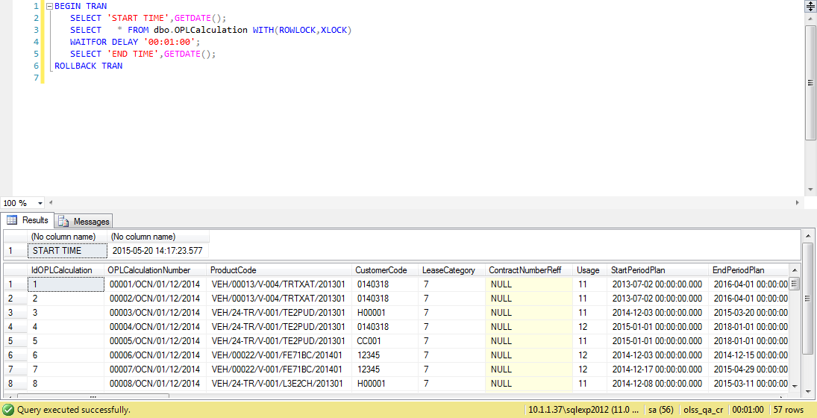
ProcessID | OriginalID | OPLCalculationNo | CreatedDate | CreatedBy | Action
9E237B8F-DD97-4EB0-88E0-6BAA4083840E | 55 | 00037/OCN/01/05/2015 | 2015-05-20 13:44:34 | Achmad Fardani | Save Changes

Process Lock Table OPLCalculation

Retry "Invalidate" data with positive test

10.1 UAT
Try to "change" data, then data has been changed
SELECT *
FROM [olss_qa_cr].[dbo].[OPLBasicCondition]
WHERE IdOPLCalculation=55;

Before
IdOPLCalculation | ProductPrice | ProductDiscount | ATPMDiscount | ProductPriceTotal | AccesoriesPrice | AccesoriesDiscount | AccesoriesPriceTotal | CarroserriePrice | CarroserrieDiscount | CarroserriePriceTotal | ResidualValueAmount | SResidualValueAmount | ResidualValuePercent | SResidualValuePercent | Remarks
55 | 630,000,000 | 60,000,000 | NULL | 570,000,000 | 157,000,000 | NULL | 157,000,000 | 201,000,000 | NULL | 201,000,000 | 299,700,000 | 405,080,000 | 32 | 41 | NULL

SELECT *
FROM [olss_qa_cr].[dbo].[OPLFinanceCondition]
WHERE IdOPLCalculation=55;

IdOPLCalculation | SpreadEffectivePercent | BorrowingFlatPercent | PrimeEffectivePercent | PrimeFlatPercent | BorrowingEffectivePercent | SpreadFlatPercent | AdministrationFeeAmount | ReplacementCarAmount | MobilizationFeeAmount | DemobilizationFeeAmount | TermPaymentDays | PaymentType | DPBeforeBASTProduct | DPPeriodBASTProduct | PSBeforeBASTProduct | PSPeriodBASTProduct | DPBeforeBASTAccesories | DPPeriodBASTAccesories | PSBeforeBASTAccesories | PSPeriodBASTAccesories | DPBeforeBASTCarroserie | DPPeriodBASTCarroserie | PSBeforeBASTCarroserie | PSPeriodBASTCarroserie | STNKRenewalFee | KIRRenewaFee | STNKRenewalFeePercent | KIRRenewalFeePercent | Remarks | RegistrationValueAmount | RegistrationValueRate
55 | 5 | 6.043057 | 15.92 | 9.130685 | 10.92 | 3.087628 | 2000000 | 0:00:00 | 0 | 0 | 30 | In Arrear | NULL | NULL | NULL | NULL | NULL | NULL | NULL | NULL | NULL | NULL | NULL | NULL | NULL | NULL | NULL | NULL | NULL | 34,896,000 | 0.062672

After
IdOPLCalculation | ProductPrice | ProductDiscount | ATPMDiscount | ProductPriceTotal | AccesoriesPrice | AccesoriesDiscount | AccesoriesPriceTotal | CarroserriePrice | CarroserrieDiscount | CarroserriePriceTotal | ResidualValueAmount | SResidualValueAmount | ResidualValuePercent | SResidualValuePercent | Remarks | KEURRenewal | Carroserrie | CarroserrieType | Accessories | AccessoriesType | IsNewUnit | BASTHAndoverSchedule | SecurityDepositPayment | SecurityDepositAmount | FirstLeasePayment | TotalUnitQuantityLease | SpecialCaseRemarks | MonthlyInstallmentSetting | InterestExpense | InterestExpenseBAST | TotalCost | MonthlyInstallmentAmount | InterestRatePercent | Spread | ProfitAmount | InsuranceCommisionAmount | TotalProfitAmount | Remarks | IsValid | IsDraft | IsSubmitted | IsDeleted | CreateDate | CreateBy | LastModified | LastModifiedBy
55 | 930,000,000 | 60,000,000 | NULL | 870,000,000 | 157,000,000 | 55,000,000 | 102,000,000 | 201,000,000 | 1,000,000 | 200000000 | 299700000 | 528080000 | 25.571672 | 41 | NULL | NULL | NULL | NULL | NULL | Test | NULL | NULL | 0 | 0 | 0 | 1 | NULL | 1 | 225708185.16 | 0 | 747974842 | 15090000 | 0:00:00 | NULL | NULL | NULL | 905400000 | 6 | 0:00:00 | 1 | 0:00:00 | 0 | 2015-05-08 09:18:41 | Achmad Fardani | 2015-05-20 13:44:34 | Achmad Fardani

SELECT *
FROM [olss_qa_cr].[dbo].[OPLFinanceCondition]
WHERE IdOPLCalculation=55;

IdOPLCalculation | SpreadEffectivePercent | BorrowingFlatPercent | PrimeEffectivePercent | PrimeFlatPercent | BorrowingEffectivePercent | SpreadFlatPercent | AdministrationFeeAmount | ReplacementCarAmount | MobilizationFeeAmount | DemobilizationFeeAmount | TermPaymentDays | PaymentType | DPBeforeBASTProduct | DPPeriodBASTProduct | PSBeforeBASTProduct | PSPeriodBASTProduct | DPBeforeBASTAccesories | DPPeriodBASTAccesories | PSBeforeBASTAccesories | PSPeriodBASTAccesories | DPBeforeBASTCarroserie | DPPeriodBASTCarroserie | PSBeforeBASTCarroserie | PSPeriodBASTCarroserie | STNKRenewalFee | KIRRenewaFee | STNKRenewalFeePercent | KIRRenewalFeePercent | Remarks | RegistrationValueAmount | RegistrationValueRate
55 | 5 | 6.043057 | 15.92 | 9.130685 | 10.92 | 3.087628 | 2000000 | 0:00:00 | 0 | 0 | 30 | In Arrear | NULL | NULL | NULL | NULL | NULL | NULL | NULL | NULL | NULL | NULL | NULL | NULL | NULL | NULL | NULL | NULL | NULL | 98448000 | 0.14

SELECT TOP 5 *
FROM [olss_qa_cr].[dbo].[OPLCalculation_History]
ORDER BY CreatedDate DESC

ProcessID | OriginalID | OPLCalculationNo | CreatedDate | CreatedBy | Action
11F26E1F-5C43-4A9E-B3E4-6D940EDEE3FA | 55 | 00037/OCN/01/05/2015 | 5/20/15 | Achmad Fardani | Save Changes
84D81D4C-8352-41E0-B73D-0B10329E01EC | 55 | 00037/OCN/01/05/2015 | 5/20/15 | Achmad Fardani | Save Changes
9E237B8F-DD97-4EB0-88E0-6BAA4083840E | 55 | 00037/OCN/01/05/2015 | 5/20/15 | Achmad Fardani | Save Changes

SELECT *
FROM [olss_qa_cr].[dbo].[OplCalculation_History_Dtl]
WHERE ProcessID='11F26E1F-5C43-4A9E-B3E4-6D940EDEE3FA';

ProcessID | IdOPLCalculation | OPLCalculationNumber | ProductCode | CustomerCode | LeaseCategory | ContractNumberReff | Usage | StartPeriodPlan | EndPeriodPlan | LeasePeriodPlan | MonthlyMileage | NumberPlatColor | MaintenanceType | PurchaseAfterLease | Insurance | STNKRenewal | KEURRenewal | Carroserrie | CarroserrieType | Accessories | AccessoriesType | IsNewUnit | BASTHAndoverSchedule | SecurityDepositPayment | SecurityDepositAmount | FirstLeasePayment | TotalUnitQuantityLease | SpecialCaseRemarks | MonthlyInstallmentSetting | InterestExpense | InterestExpenseBAST | TotalCost | MonthlyInstallmentAmount | InterestRatePercent | Spread | ProfitAmount | InsuranceCommisionAmount | TotalProfitAmount | Remarks | IsValid | IsDraft | IsSubmitted | IsDeleted | CreateDate | CreateBy | LastModified | LastModifiedBy
11F26E1F-5C43-4A9E-B3E4-6D940EDEE3FA | 55 | 00037/OCN/01/05/2015 | VEH/24-TR/V-001/TE2PUD/201301 | 151501 | 1900-01-09 00:00:00 | NULL | 11 | 2015-01-01 00:00:00 | 2019-12-31 00:00:00 | 60 | NULL | 14 | 5 | 1 | 1 | NULL | NULL | NULL | NULL | NULL | Test | NULL | NULL | 0 | 0 | 0 | 1 | NULL | 1 | 280397852.51 | 0 | 747974842 | 19490000 | 0:00:00 | NULL | NULL | NULL | 1169400000 | 6 | 0 | 1 | 0 | 0 | 2015-05-08 09:18:41 | Achmad Fardani | 2015-05-20 14:24:20 | Achmad Fardani

SELECT *
FROM [olss_qa_cr].[dbo].[OPLBasicCondition_History_Dtl]
WHERE ProcessID='11F26E1F-5C43-4A9E-B3E4-6D940EDEE3FA';

ProcessID | IdOPLCalculation | ProductPrice | ProductDiscount | ATPMDiscount | ProductPriceTotal | AccesoriesPrice | AccesoriesDiscount | AccesoriesPriceTotal | CarroserriePrice | CarroserrieDiscount | CarroserriePriceTotal | ResidualValueAmount | SResidualValueAmount | ResidualValuePercent | SResidualValuePercent | Remarks
11F26E1F-5C43-4A9E-B3E4-6D940EDEE3FA | 55 | 630000000 | 60000000 | NULL | 570000000 | 157000000 | NULL | 157000000 | 201000000 | NULL | 201000000 | 299700000 | 405080000 | 32.295259 | 41 | NULL

SELECT *
FROM [olss_qa_cr].[dbo].[OPLFinanceCondition_History_Dtl]
WHERE ProcessID='11F26E1F-5C43-4A9E-B3E4-6D940EDEE3FA';

ProcessID | IdOPLCalculation | SpreadEffectivePercent | BorrowingFlatPercent | PrimeEffectivePercent | PrimeFlatPercent | BorrowingEffectivePercent | SpreadFlatPercent | AdministrationFeeAmount | ReplacementCarAmount | MobilizationFeeAmount | DemobilizationFeeAmount | TermPaymentDays | PaymentType | DPBeforeBASTProduct | DPPeriodBASTProduct | PSBeforeBASTProduct | PSPeriodBASTProduct | DPBeforeBASTAccesories | DPPeriodBASTAccesories | PSBeforeBASTAccesories | PSPeriodBASTAccesories | DPBeforeBASTCarroserie | DPPeriodBASTCarroserie | PSBeforeBASTCarroserie | PSPeriodBASTCarroserie | STNKRenewalFee | KIRRenewaFee | STNKRenewalFeePercent | KIRRenewalFeePercent | Remarks | RegistrationValueAmount | RegistrationValueRate
11F26E1F-5C43-4A9E-B3E4-6D940EDEE3FA | 55 | 5 | 6.043057 | 15.92 | 9.130685 | 10.92 | 3.087628 | 2000000 | 0 | 0 | 0 | 30 | In Arrear | NULL | NULL | NULL | NULL | NULL | NULL | NULL | NULL | NULL | NULL | NULL | NULL | NULL | NULL | NULL | NULL | NULL | 34,896,000 | 0.0627

10.2 UAT
Try to "change" data, but data hasn't been changed
SELECT *
FROM [olss_qa_cr].[dbo].[OPLBasicCondition]
WHERE IdOPLCalculation=55;

Before
IdOPLCalculation | ProductPrice | ProductDiscount | ATPMDiscount | ProductPriceTotal | AccesoriesPrice | AccesoriesDiscount | AccesoriesPriceTotal | CarroserriePrice | CarroserrieDiscount | CarroserriePriceTotal | ResidualValueAmount | SResidualValueAmount | ResidualValuePercent | SResidualValuePercent | Remarks
55 | 930,000,000 | 60,000,000 | NULL | 870,000,000 | 157,000,000 | 55000000.000 | 102,000,000 | 201,000,000 | 1,000,000 | 200,000,000 | 299,700,000 | 528,080,000 | 26 | 41 | NULL

SELECT *
FROM [olss_qa_cr].[dbo].[OPLFinanceCondition]
WHERE IdOPLCalculation=55;

IdOPLCalculation | SpreadEffectivePercent | BorrowingFlatPercent | PrimeEffectivePercent | PrimeFlatPercent | BorrowingEffectivePercent | SpreadFlatPercent | AdministrationFeeAmount | ReplacementCarAmount | MobilizationFeeAmount | DemobilizationFeeAmount | TermPaymentDays | PaymentType | DPBeforeBASTProduct | DPPeriodBASTProduct | PSBeforeBASTProduct | PSPeriodBASTProduct | DPBeforeBASTAccesories | DPPeriodBASTAccesories | PSBeforeBASTAccesories | PSPeriodBASTAccesories | DPBeforeBASTCarroserie | DPPeriodBASTCarroserie | PSBeforeBASTCarroserie | PSPeriodBASTCarroserie | STNKRenewalFee | KIRRenewaFee | STNKRenewalFeePercent | KIRRenewalFeePercent | Remarks | RegistrationValueAmount | RegistrationValueRate
55 | 5 | 6.043057 | 15.92 | 9.130685 | 10.92 | 3.087628 | 2000000 | 0:00:00 | 0 | 0 | 30 | In Arrear | NULL | NULL | NULL | NULL | NULL | NULL | NULL | NULL | NULL | NULL | NULL | NULL | NULL | NULL | NULL | NULL | NULL | 98,448,000 | 0.14

After
IdOPLCalculation | ProductPrice | ProductDiscount | ATPMDiscount | ProductPriceTotal | AccesoriesPrice | AccesoriesDiscount | AccesoriesPriceTotal | CarroserriePrice | CarroserrieDiscount | CarroserriePriceTotal | ResidualValueAmount | SResidualValueAmount | ResidualValuePercent | SResidualValuePercent | Remarks | KEURRenewal | Carroserrie | CarroserrieType | Accessories | AccessoriesType | IsNewUnit | BASTHAndoverSchedule | SecurityDepositPayment | SecurityDepositAmount | FirstLeasePayment | TotalUnitQuantityLease | SpecialCaseRemarks | MonthlyInstallmentSetting | InterestExpense | InterestExpenseBAST | TotalCost | MonthlyInstallmentAmount | InterestRatePercent | Spread | ProfitAmount | InsuranceCommisionAmount | TotalProfitAmount | Remarks | IsValid | IsDraft | IsSubmitted | IsDeleted | CreateDate | CreateBy | LastModified | LastModifiedBy
55 | 930,000,000 | 60,000,000 | NULL | 870,000,000 | 157,000,000 | 55,000,000 | 102,000,000 | 201,000,000 | 1,000,000 | 200000000 | 299700000 | 528080000 | 25.571672 | 41 | NULL | NULL | NULL | NULL | NULL | Test | NULL | NULL | 0 | 0 | 0 | 1 | NULL | 1 | 225708185.16 | 0 | 747974842 | 15090000 | 0:00:00 | NULL | NULL | NULL | 905400000 | 6 | 0:00:00 | 1 | 0:00:00 | 0 | 2015-05-08 09:18:41 | Achmad Fardani | 2015-05-20 13:44:34 | Achmad Fardani

SELECT *
FROM [olss_qa_cr].[dbo].[OPLFinanceCondition]
WHERE IdOPLCalculation=55;

IdOPLCalculation | SpreadEffectivePercent | BorrowingFlatPercent | PrimeEffectivePercent | PrimeFlatPercent | BorrowingEffectivePercent | SpreadFlatPercent | AdministrationFeeAmount | ReplacementCarAmount | MobilizationFeeAmount | DemobilizationFeeAmount | TermPaymentDays | PaymentType | DPBeforeBASTProduct | DPPeriodBASTProduct | PSBeforeBASTProduct | PSPeriodBASTProduct | DPBeforeBASTAccesories | DPPeriodBASTAccesories | PSBeforeBASTAccesories | PSPeriodBASTAccesories | DPBeforeBASTCarroserie | DPPeriodBASTCarroserie | PSBeforeBASTCarroserie | PSPeriodBASTCarroserie | STNKRenewalFee | KIRRenewaFee | STNKRenewalFeePercent | KIRRenewalFeePercent | Remarks | RegistrationValueAmount | RegistrationValueRate
55 | 5 | 6.043057 | 15.92 | 9.130685 | 10.92 | 3.087628 | 2000000 | 0:00:00 | 0 | 0 | 30 | In Arrear | NULL | NULL | NULL | NULL | NULL | NULL | NULL | NULL | NULL | NULL | NULL | NULL | NULL | NULL | NULL | NULL | NULL | 98,448,000 | 0.14

There are no new record on table OPLCalculation_History

SELECT TOP 5 *
FROM [olss_qa_cr].[dbo].[OPLCalculation_History]
ORDER BY CreatedDate DESC

ProcessID | OriginalID | OPLCalculationNo | CreatedDate | CreatedBy | Action
11F26E1F-5C43-4A9E-B3E4-6D940EDEE3FA | 55 | 00037/OCN/01/05/2015 | 5/20/15 | Achmad Fardani | Save Changes
84D81D4C-8352-41E0-B73D-0B10329E01EC | 55 | 00037/OCN/01/05/2015 | 5/20/15 | Achmad Fardani | Save Changes
9E237B8F-DD97-4EB0-88E0-6BAA4083840E | 55 | 00037/OCN/01/05/2015 | 5/20/15 | Achmad Fardani | Save Changes



Process Lock Table OPLCalculation

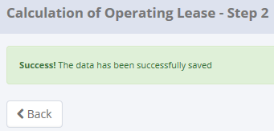
Retry "change" data with positive test

11.1 UAT
Try to "change" data, then data has been changed
SELECT *
FROM [olss_qa_cr].[dbo].OPLMaintenanceCondition
WHERE IdOPLCalculation=55;

Before
IdOPLCalculation | PeriodicMaintenanceKm | PeriodicOilExchange | PeriodicOilFats | PeriodicMaintenanceAmount | IrregularMaintenance | IrregularMaintenanceAmount | BateryKm | BateryAmount | TireKm | TireAmount | SpecialParts | SpecialPartsAmount | CSD | CSDAmount | MaintenanceOther1 | MaintenanceOther1Amount | MaintenanceOther2 | MaintenanceOther2Amount | MaintenanceOther3 | MaintenanceOther3Amount | TotalMaintenanceAmount | Remarks
55 | NULL | NULL | NULL | NULL | NULL | NULL | NULL | NULL | NULL | NULL | NULL | NULL | Custom | 150,000 | NULL | NULL | NULL | NULL | NULL | NULL | 150,000 | NULL

After
IdOPLCalculation | PeriodicMaintenanceKm | PeriodicOilExchange | PeriodicOilFats | PeriodicMaintenanceAmount | IrregularMaintenance | IrregularMaintenanceAmount | BateryKm | BateryAmount | TireKm | TireAmount | SpecialParts | SpecialPartsAmount | CSD | CSDAmount | MaintenanceOther1 | MaintenanceOther1Amount | MaintenanceOther2 | MaintenanceOther2Amount | MaintenanceOther3 | MaintenanceOther3Amount | TotalMaintenanceAmount | Remarks
55 | NULL | NULL | NULL | NULL | NULL | NULL | 10,000 | 5,000,000 | 1,000 | 10000000 | NULL | NULL | Custom | 150000 | NULL | NULL | NULL | NULL | NULL | NULL | 15,150,000 | NULL

SELECT TOP 5 *
FROM [olss_qa_cr].[dbo].[OPLCalculation_History]
ORDER BY CreatedDate DESC

ProcessID | OriginalID | OPLCalculationNo | CreatedDate | CreatedBy | Action
82F6089D-4E0E-4623-9F55-C77196797529 | 55 | 00037/OCN/01/05/2015 | 5/21/15 | Achmad Fardani | Save Changes
0259FDAA-15A8-41B5-8D69-9BEAB49BB83C | 55 | 00037/OCN/01/05/2015 | 5/20/15 | Achmad Fardani | Save Changes
11F26E1F-5C43-4A9E-B3E4-6D940EDEE3FA | 55 | 00037/OCN/01/05/2015 | 5/20/15 | Achmad Fardani | Save Changes
84D81D4C-8352-41E0-B73D-0B10329E01EC | 55 | 00037/OCN/01/05/2015 | 5/20/15 | Achmad Fardani | Save Changes
9E237B8F-DD97-4EB0-88E0-6BAA4083840E | 55 | 00037/OCN/01/05/2015 | 5/20/15 | Achmad Fardani | Save Changes

SELECT *
FROM [olss_qa_cr].[dbo].[OplCalculation_History_Dtl]
WHERE ProcessID='82F6089D-4E0E-4623-9F55-C77196797529';

ProcessID | IdOPLCalculation | OPLCalculationNumber | ProductCode | CustomerCode | LeaseCategory | ContractNumberReff | Usage | StartPeriodPlan | EndPeriodPlan | LeasePeriodPlan | MonthlyMileage | NumberPlatColor | MaintenanceType | PurchaseAfterLease | Insurance | STNKRenewal | KEURRenewal | Carroserrie | CarroserrieType | Accessories | AccessoriesType | IsNewUnit | BASTHAndoverSchedule | SecurityDepositPayment | SecurityDepositAmount | FirstLeasePayment | TotalUnitQuantityLease | SpecialCaseRemarks | MonthlyInstallmentSetting | InterestExpense | InterestExpenseBAST | TotalCost | MonthlyInstallmentAmount | InterestRatePercent | Spread | ProfitAmount | InsuranceCommisionAmount | TotalProfitAmount | Remarks | IsValid | IsDraft | IsSubmitted | IsDeleted | CreateDate | CreateBy | LastModified | LastModifiedBy
82F6089D-4E0E-4623-9F55-C77196797529 | 55 | 00037/OCN/01/05/2015 | VEH/24-TR/V-001/TE2PUD/201301 | 151501 | 1900-01-09 00:00:00 | NULL | 11 | 2015-01-01 00:00:00 | 2019-12-31 00:00:00 | 60 | NULL | 14 | 5 | 1 | 1 | NULL | NULL | NULL | NULL | NULL | Test | NULL | NULL | 0 | 0 | 0 | 1 | NULL | 1 | 307591609.76 | 0 | 747974842 | 22530000 | 0:00:00 | NULL | NULL | NULL | 1351800000 | 6 | 0 | 1 | 0 | 0 | 2015-05-08 09:18:41 | Achmad Fardani | 2015-05-20 14:56:45 | Achmad Fardani

SELECT *
FROM [olss_qa_cr].[dbo].[OPLMaintenanceCondition_History_Dtl]
WHERE ProcessID='82F6089D-4E0E-4623-9F55-C77196797529';

ProcessID | IdOPLCalculation | PeriodicMaintenanceKm | PeriodicOilExchange | PeriodicOilFats | PeriodicMaintenanceAmount | IrregularMaintenance | IrregularMaintenanceAmount | BateryKm | BateryAmount | TireKm | TireAmount | SpecialParts | SpecialPartsAmount | CSD | CSDAmount | MaintenanceOther1 | MaintenanceOther1Amount | MaintenanceOther2 | MaintenanceOther2Amount | MaintenanceOther3 | MaintenanceOther3Amount | TotalMaintenanceAmount | Remarks
82F6089D-4E0E-4623-9F55-C77196797529 | 55 | NULL | NULL | NULL | NULL | NULL | NULL | NULL | NULL | NULL | NULL | NULL | NULL | Custom | 150000 | NULL | NULL | NULL | NULL | NULL | NULL | 150000 | NULL

11.2 UAT
Try to "change" data, but data hasn't been changed
SELECT *
FROM [olss_qa_cr].[dbo].OPLMaintenanceCondition
WHERE IdOPLCalculation=55;

Before
IdOPLCalculation | PeriodicMaintenanceKm | PeriodicOilExchange | PeriodicOilFats | PeriodicMaintenanceAmount | IrregularMaintenance | IrregularMaintenanceAmount | BateryKm | BateryAmount | TireKm | TireAmount | SpecialParts | SpecialPartsAmount | CSD | CSDAmount | MaintenanceOther1 | MaintenanceOther1Amount | MaintenanceOther2 | MaintenanceOther2Amount | MaintenanceOther3 | MaintenanceOther3Amount | TotalMaintenanceAmount | Remarks
55 | NULL | NULL | NULL | NULL | NULL | NULL | 10,000 | 5,000,000 | 1,000 | 10,000,000 | NULL | NULL | Custom | 150,000 | NULL | NULL | NULL | NULL | NULL | NULL | 15,150,000 | NULL

After
IdOPLCalculation | PeriodicMaintenanceKm | PeriodicOilExchange | PeriodicOilFats | PeriodicMaintenanceAmount | IrregularMaintenance | IrregularMaintenanceAmount | BateryKm | BateryAmount | TireKm | TireAmount | SpecialParts | SpecialPartsAmount | CSD | CSDAmount | MaintenanceOther1 | MaintenanceOther1Amount | MaintenanceOther2 | MaintenanceOther2Amount | MaintenanceOther3 | MaintenanceOther3Amount | TotalMaintenanceAmount | Remarks
55 | NULL | NULL | NULL | NULL | NULL | NULL | 10,000 | 5,000,000 | 1,000 | 10000000 | NULL | NULL | Custom | 150000 | NULL | NULL | NULL | NULL | NULL | NULL | 15,150,000 | NULL

There are no new record on table OPLCalculation_History

SELECT TOP 5 *
FROM [olss_qa_cr].[dbo].[OPLCalculation_History]
ORDER BY CreatedDate DESC

ProcessID | OriginalID | OPLCalculationNo | CreatedDate | CreatedBy | Action
82F6089D-4E0E-4623-9F55-C77196797529 | 55 | 00037/OCN/01/05/2015 | 5/21/15 | Achmad Fardani | Save Changes
0259FDAA-15A8-41B5-8D69-9BEAB49BB83C | 55 | 00037/OCN/01/05/2015 | 5/20/15 | Achmad Fardani | Save Changes
11F26E1F-5C43-4A9E-B3E4-6D940EDEE3FA | 55 | 00037/OCN/01/05/2015 | 5/20/15 | Achmad Fardani | Save Changes
84D81D4C-8352-41E0-B73D-0B10329E01EC | 55 | 00037/OCN/01/05/2015 | 5/20/15 | Achmad Fardani | Save Changes
9E237B8F-DD97-4EB0-88E0-6BAA4083840E | 55 | 00037/OCN/01/05/2015 | 5/20/15 | Achmad Fardani | Save Changes

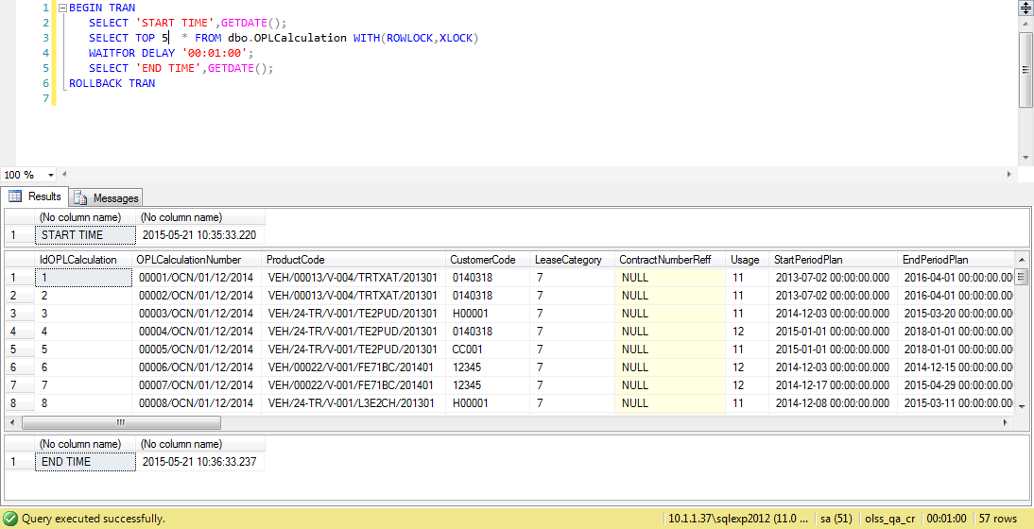

Process Lock Table OPLCalculation

Retry "change" data with positive test

12.1 UAT
Try to "change" data, then data has been changed
SELECT *
FROM [olss_qa_cr].[dbo].OPLInsuranceCondition
WHERE IdOPLCalculation=55;

Before
IdOPLCalculation | InsuranceCompanyName | InsuranceAgent | ClassOfInsurance | CommissionRate | ProductSeatCapacity | CoveragePeriod | MediatorFeePercent | MediatorFeeAmount | InsurancePaymentCycle | Region | BasicRatePremium | ComprehensiveRatePremium | PremiumAmount | BasicRateTPL | ComprehensiveRateTPL | TPLAmount | BasicRatePPL | ComprehensiveRatePPL | PPLAmount | BasicRatePAP | ComprehensiveRatePAP | PAPAmount | BasicRatePAD | ComprehensiveRatePAD | PADAmount | BasicRateSRCC | ComprehensiveRateSRCC | SRCCAmount | BasicRateTS | ComprehensiveRateTS | TSAmount | BasicRateFLD | ComprehensiveRateFLD | FLDAmount | BasicRateEAQ | ComprehensiveRateEAQ | EAQAmount | BasicRateAW | ComprehensiveRateAW | AWAmount | TotalGrossPremium | ComissionAmount | NetPremium | Remarks
55 | TOKIO MARINE | NULL | ALL RISK | 25 | 3 | 61 | NULL | 13,363,157 | 16 | 20 | 1 | 727,000,000 | 37,194,246 | 1 | 50000000 | 2860273.972 | 0 | 0 | 0 | 2:24:00 | 20,000,000 | 305,096 | 1 | 20,000,000 | 508,493 | 0.05 | 727000000 | 1398279.931 | 0.05 | 727000000 | 1398279.931 | 0.1 | 727000000 | 2796559.863 | 0.1 | 727000000 | 2796559.863 | 0.15 | 727000000 | 4194839.794 | 53452628.575 | 13363157.143 | 39020418.86 | NULL

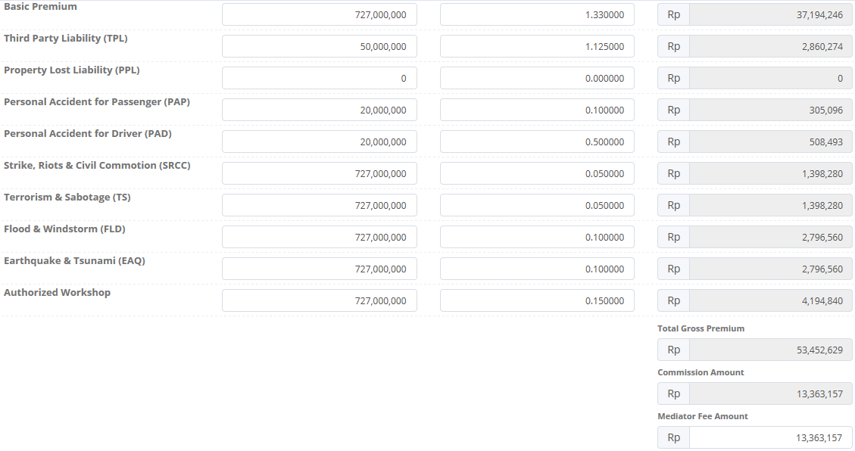
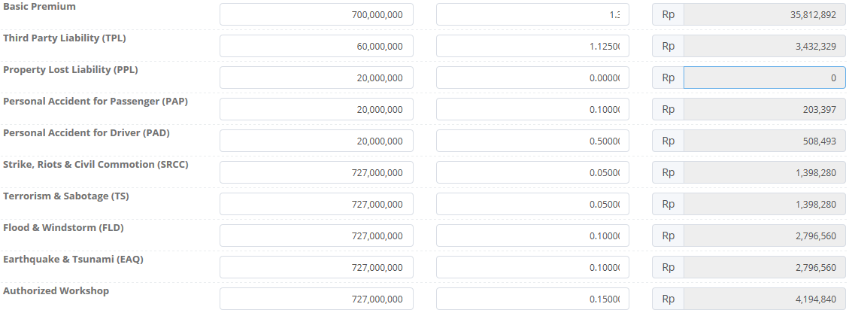

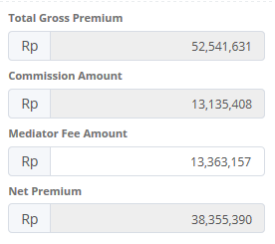

After
IdOPLCalculation | InsuranceCompanyName | InsuranceAgent | ClassOfInsurance | CommissionRate | ProductSeatCapacity | CoveragePeriod | MediatorFeePercent | MediatorFeeAmount | InsurancePaymentCycle | Region | BasicRatePremium | ComprehensiveRatePremium | PremiumAmount | BasicRateTPL | ComprehensiveRateTPL | TPLAmount | BasicRatePPL | ComprehensiveRatePPL | PPLAmount | BasicRatePAP | ComprehensiveRatePAP | PAPAmount | BasicRatePAD | ComprehensiveRatePAD | PADAmount | BasicRateSRCC | ComprehensiveRateSRCC | SRCCAmount | BasicRateTS | ComprehensiveRateTS | TSAmount | BasicRateFLD | ComprehensiveRateFLD | FLDAmount | BasicRateEAQ | ComprehensiveRateEAQ | EAQAmount | BasicRateAW | ComprehensiveRateAW | AWAmount | TotalGrossPremium | ComissionAmount | NetPremium | Remarks
55 | TOKIO MARINE | Ridwan | ALL RISK | 25 | 2 | 61 | NULL | 13,135,408 | 16 | 20 | 1.33 | 700,000,000 | 35812891.78 | 1.125 | 60,000,000 | 3432328.767 | 0 | 20,000,000 | 0 | 2:24:00 | 20,000,000 | 203,397 | 1 | 20,000,000 | 508,493 | 0.05 | 727000000 | 1398279.931 | 0.05 | 727000000 | 1398279.931 | 0.1 | 727000000 | 2796559.863 | 0.1 | 727000000 | 2796559.863 | 0.15 | 727000000 | 4194839.794 | 52541630.342 | 13135407.585 | 38355390.149 | NULL

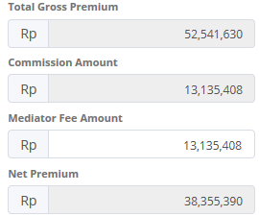

SELECT TOP 5 *
FROM [olss_qa_cr].[dbo].[OPLCalculation_History]
ORDER BY CreatedDate DESC

ProcessID | OriginalID | OPLCalculationNo | CreatedDate | CreatedBy | Action
35AFBAD9-D287-4079-BF22-1AD0F35F71A1 | 55 | 00037/OCN/01/05/2015 | 5/21/15 | Achmad Fardani | Save Changes
C873DD50-6163-41D4-B254-62BFB97058E4 | 55 | 00037/OCN/01/05/2015 | 5/21/15 | Achmad Fardani | Save Changes
82F6089D-4E0E-4623-9F55-C77196797529 | 55 | 00037/OCN/01/05/2015 | 5/21/15 | Achmad Fardani | Save Changes
0259FDAA-15A8-41B5-8D69-9BEAB49BB83C | 55 | 00037/OCN/01/05/2015 | 5/20/15 | Achmad Fardani | Save Changes
11F26E1F-5C43-4A9E-B3E4-6D940EDEE3FA | 55 | 00037/OCN/01/05/2015 | 5/20/15 | Achmad Fardani | Save Changes

SELECT *
FROM [olss_qa_cr].[dbo].[OPLMaintenanceCondition_History_Dtl]
WHERE ProcessID='35AFBAD9-D287-4079-BF22-1AD0F35F71A1';

ProcessID | IdOPLCalculation | InsuranceCompanyName | InsuranceAgent | ClassOfInsurance | CommissionRate | ProductSeatCapacity | CoveragePeriod | MediatorFeePercent | MediatorFeeAmount | InsurancePaymentCycle | Region | BasicRatePremium | ComprehensiveRatePremium | PremiumAmount | BasicRateTPL | ComprehensiveRateTPL | TPLAmount | BasicRatePPL | ComprehensiveRatePPL | PPLAmount | BasicRatePAP | ComprehensiveRatePAP | PAPAmount | BasicRatePAD | ComprehensiveRatePAD | PADAmount | BasicRateSRCC | ComprehensiveRateSRCC | SRCCAmount | BasicRateTS | ComprehensiveRateTS | TSAmount | BasicRateFLD | ComprehensiveRateFLD | FLDAmount | BasicRateEAQ | ComprehensiveRateEAQ | EAQAmount | BasicRateAW | ComprehensiveRateAW | AWAmount | TotalGrossPremium | ComissionAmount | NetPremium | Remarks
35AFBAD9-D287-4079-BF22-1AD0F35F71A1 | 55 | TOKIO MARINE | NULL | ALL RISK | 25 | 3 | 61 | NULL | 13363157.143 | 16 | 20 | 1.33 | 727,000,000 | 37194246.178 | 1.125 | 50,000,000 | 2860273.972 | 0 | 0 | 0 | 0.1 | 20000000 | 305095.89 | 0.5 | 20000000 | 508493.15 | 0.05 | 727000000 | 1398279.931 | 0.05 | 727000000 | 1398279.931 | 0.1 | 727000000 | 2796559.863 | 0.1 | 727000000 | 2796559.863 | 0.15 | 727000000 | 4194839.794 | 53452628.575 | 13363157.143 | 39020418.86 | NULL

12.2 UAT
Try to "change" data, then data has been changed
SELECT *
FROM [olss_qa_cr].[dbo].OPLInsuranceCondition
WHERE IdOPLCalculation=55;

Before
IdOPLCalculation | InsuranceCompanyName | InsuranceAgent | ClassOfInsurance | CommissionRate | ProductSeatCapacity | CoveragePeriod | MediatorFeePercent | MediatorFeeAmount | InsurancePaymentCycle | Region | BasicRatePremium | ComprehensiveRatePremium | PremiumAmount | BasicRateTPL | ComprehensiveRateTPL | TPLAmount | BasicRatePPL | ComprehensiveRatePPL | PPLAmount | BasicRatePAP | ComprehensiveRatePAP | PAPAmount | BasicRatePAD | ComprehensiveRatePAD | PADAmount | BasicRateSRCC | ComprehensiveRateSRCC | SRCCAmount | BasicRateTS | ComprehensiveRateTS | TSAmount | BasicRateFLD | ComprehensiveRateFLD | FLDAmount | BasicRateEAQ | ComprehensiveRateEAQ | EAQAmount | BasicRateAW | ComprehensiveRateAW | AWAmount | TotalGrossPremium | ComissionAmount | NetPremium | Remarks
55 | TOKIO MARINE | Ridwan | ALL RISK | 25 | 2 | 61 | NULL | 13,135,408 | 16 | 20 | 1 | 700,000,000 | 35,812,892 | 1 | 60000000 | 3432328.767 | 0 | 20000000 | 0 | 2:24:00 | 20,000,000 | 203,397 | 1 | 20,000,000 | 508,493 | 0.05 | 727000000 | 1398279.931 | 0.05 | 727000000 | 1398279.931 | 0.1 | 727000000 | 2796559.863 | 0.1 | 727000000 | 2796559.863 | 0.15 | 727000000 | 4194839.794 | 52541630.342 | 13135407.585 | 38355390.149 | NULL

After
IdOPLCalculation | InsuranceCompanyName | InsuranceAgent | ClassOfInsurance | CommissionRate | ProductSeatCapacity | CoveragePeriod | MediatorFeePercent | MediatorFeeAmount | InsurancePaymentCycle | Region | BasicRatePremium | ComprehensiveRatePremium | PremiumAmount | BasicRateTPL | ComprehensiveRateTPL | TPLAmount | BasicRatePPL | ComprehensiveRatePPL | PPLAmount | BasicRatePAP | ComprehensiveRatePAP | PAPAmount | BasicRatePAD | ComprehensiveRatePAD | PADAmount | BasicRateSRCC | ComprehensiveRateSRCC | SRCCAmount | BasicRateTS | ComprehensiveRateTS | TSAmount | BasicRateFLD | ComprehensiveRateFLD | FLDAmount | BasicRateEAQ | ComprehensiveRateEAQ | EAQAmount | BasicRateAW | ComprehensiveRateAW | AWAmount | TotalGrossPremium | ComissionAmount | NetPremium | Remarks
55 | TOKIO MARINE | Sulaiman | ALL RISK | 25 | 2 | 61 | NULL | 13,135,408 | 16 | 20 | 1 | 700,000,000 | 35,812,892 | 1 | 60000000 | 3432328.767 | 0 | 20000000 | 0 | 2:24:00 | 20,000,000 | 203,397 | 1 | 20,000,000 | 508,493 | 0.05 | 727000000 | 1398279.931 | 0.05 | 727000000 | 1398279.931 | 0.1 | 727000000 | 2796559.863 | 0.1 | 727000000 | 2796559.863 | 0.15 | 727000000 | 4194839.794 | 52541630.342 | 13135407.585 | 38355390.149 | NULL

13.1 UAT
Try to "change" data, then data has been changed
SELECT *
FROM [olss_qa_cr].[dbo].OPLCalculation
WHERE IdOPLCalculation=55;

Before
IdOPLCalculation | OPLCalculationNumber | ProductCode | CustomerCode | LeaseCategory | ContractNumberReff | Usage | StartPeriodPlan | EndPeriodPlan | LeasePeriodPlan | MonthlyMileage | NumberPlatColor | MaintenanceType | PurchaseAfterLease | Insurance | STNKRenewal | KEURRenewal | Carroserrie | CarroserrieType | Accessories | AccessoriesType | IsNewUnit | BASTHAndoverSchedule | SecurityDepositPayment | SecurityDepositAmount | FirstLeasePayment | TotalUnitQuantityLease | SpecialCaseRemarks | MonthlyInstallmentSetting | InterestExpense | InterestExpenseBAST | TotalCost | MonthlyInstallmentAmount | InterestRatePercent | Spread | ProfitAmount | InsuranceCommisionAmount | TotalProfitAmount | Remarks | IsValid | IsDraft | IsSubmitted | IsDeleted | CreateDate | CreateBy | LastModified | LastModifiedBy
55 | 00037/OCN/01/05/2015 | VEH/24-TR/V-001/TE2PUD/201301 | 151501 | 9 | NULL | 11 | 42,005 | 43,830 | 60 | NULL | 14 | 5 | 1 | 1 | NULL | NULL | NULL | NULL | NULL | Test | NULL | NULL | 0 | 0 | 0 | 1 | NULL | 1 | 307591609.76 | 0 | 747974842 | 47,510,000 | 0:00:00 | NULL | NULL | NULL | 2850600000 | 6 | 0:00:00 | 1 | 0:00:00 | 0 | 2015-05-08 09:18:41 | Achmad Fardani | 2015-05-21 11:48:52 | Achmad Fardani

After
IdOPLCalculation | OPLCalculationNumber | ProductCode | CustomerCode | LeaseCategory | ContractNumberReff | Usage | StartPeriodPlan | EndPeriodPlan | LeasePeriodPlan | MonthlyMileage | NumberPlatColor | MaintenanceType | PurchaseAfterLease | Insurance | STNKRenewal | KEURRenewal | Carroserrie | CarroserrieType | Accessories | AccessoriesType | IsNewUnit | BASTHAndoverSchedule | SecurityDepositPayment | SecurityDepositAmount | FirstLeasePayment | TotalUnitQuantityLease | SpecialCaseRemarks | MonthlyInstallmentSetting | InterestExpense | InterestExpenseBAST | TotalCost | MonthlyInstallmentAmount | InterestRatePercent | Spread | ProfitAmount | InsuranceCommisionAmount | TotalProfitAmount | Remarks | IsValid | IsDraft | IsSubmitted | IsDeleted | CreateDate | CreateBy | LastModified | LastModifiedBy
55 | 00037/OCN/01/05/2015 | VEH/24-TR/V-001/TE2PUD/201301 | 151501 | 9 | NULL | 11 | 42,005 | 43,830 | 60 | NULL | 14 | 5 | 1 | 1 | NULL | NULL | NULL | NULL | NULL | Test | NULL | NULL | 0 | 0 | 0 | 1 | NULL | 1.5 | 307591609.76 | 0 | 2678071767 | 48,950,000 | 0:00:00 | NULL | NULL | NULL | 2937000000 | 6 | 0:00:00 | 1 | 0:00:00 | 0 | 2015-05-08 09:18:41 | Achmad Fardani | 2015-05-21 11:55:07 | Achmad Fardani

SELECT TOP 5 *
FROM [olss_qa_cr].[dbo].[OPLCalculation_History]
ORDER BY CreatedDate DESC

ProcessID | OriginalID | OPLCalculationNo | CreatedDate | CreatedBy | Action
25A1F67A-E7C5-4191-8EB4-3712689C0844 | 55 | 00037/OCN/01/05/2015 | 5/21/15 | Achmad Fardani | Save Changes
13CD1F1F-506C-497C-A5ED-C4BFEDD040C0 | 55 | 00037/OCN/01/05/2015 | 5/21/15 | Achmad Fardani | Save Changes
C16EE9CC-E819-42BF-8402-2CE1F200FDCA | 55 | 00037/OCN/01/05/2015 | 5/21/15 | Achmad Fardani | Save Changes
1B58AE06-BF2E-4356-B8F4-68438D7C3EE2 | 55 | 00037/OCN/01/05/2015 | 5/21/15 | Achmad Fardani | Save Changes
35AFBAD9-D287-4079-BF22-1AD0F35F71A1 | 55 | 00037/OCN/01/05/2015 | 5/21/15 | Achmad Fardani | Save Changes

SELECT *
FROM [olss_qa_cr].[dbo].[OplCalculation_History_Dtl]
WHERE ProcessID='25A1F67A-E7C5-4191-8EB4-3712689C0844';

ProcessID | IdOPLCalculation | OPLCalculationNumber | ProductCode | CustomerCode | LeaseCategory | ContractNumberReff | Usage | StartPeriodPlan | EndPeriodPlan | LeasePeriodPlan | MonthlyMileage | NumberPlatColor | MaintenanceType | PurchaseAfterLease | Insurance | STNKRenewal | KEURRenewal | Carroserrie | CarroserrieType | Accessories | AccessoriesType | IsNewUnit | BASTHAndoverSchedule | SecurityDepositPayment | SecurityDepositAmount | FirstLeasePayment | TotalUnitQuantityLease | SpecialCaseRemarks | MonthlyInstallmentSetting | InterestExpense | InterestExpenseBAST | TotalCost | MonthlyInstallmentAmount | InterestRatePercent | Spread | ProfitAmount | InsuranceCommisionAmount | TotalProfitAmount | Remarks | IsValid | IsDraft | IsSubmitted | IsDeleted | CreateDate | CreateBy | LastModified | LastModifiedBy
25A1F67A-E7C5-4191-8EB4-3712689C0844 | 55 | 00037/OCN/01/05/2015 | VEH/24-TR/V-001/TE2PUD/201301 | 151501 | 1900-01-09 00:00:00 | NULL | 11 | 2015-01-01 00:00:00 | 2019-12-31 00:00:00 | 60 | NULL | 14 | 5 | 1 | 1 | NULL | NULL | NULL | NULL | NULL | Test | NULL | NULL | 0 | 0 | 0 | 1 | NULL | 1 | 307591609.76 | 0 | 747974842 | 47,510,000 | 0:00:00 | NULL | NULL | NULL | 2850600000 | 6 | 0 | 1 | 0 | 0 | 5/8/15 | Achmad Fardani | 5/21/15 | Achmad Fardani

13.2 UAT
Try to "change" data, then data has been changed
SELECT *
FROM [olss_qa_cr].[dbo].OPLCalculation
WHERE IdOPLCalculation=55;

Before
IdOPLCalculation | OPLCalculationNumber | ProductCode | CustomerCode | LeaseCategory | ContractNumberReff | Usage | StartPeriodPlan | EndPeriodPlan | LeasePeriodPlan | MonthlyMileage | NumberPlatColor | MaintenanceType | PurchaseAfterLease | Insurance | STNKRenewal | KEURRenewal | Carroserrie | CarroserrieType | Accessories | AccessoriesType | IsNewUnit | BASTHAndoverSchedule | SecurityDepositPayment | SecurityDepositAmount | FirstLeasePayment | TotalUnitQuantityLease | SpecialCaseRemarks | MonthlyInstallmentSetting | InterestExpense | InterestExpenseBAST | TotalCost | MonthlyInstallmentAmount | InterestRatePercent | Spread | ProfitAmount | InsuranceCommisionAmount | TotalProfitAmount | Remarks | IsValid | IsDraft | IsSubmitted | IsDeleted | CreateDate | CreateBy | LastModified | LastModifiedBy
55 | 00037/OCN/01/05/2015 | VEH/24-TR/V-001/TE2PUD/201301 | 151501 | 9 | NULL | 11 | 42,005 | 43,830 | 60 | NULL | 14 | 5 | 1 | 1 | NULL | NULL | NULL | NULL | NULL | Test | NULL | NULL | 0 | 0 | 0 | 1 | NULL | 1.5 | 307591609.76 | 0 | 2678071767 | 48,950,000 | 0:00:00 | NULL | NULL | NULL | 2937000000 | 6 | 0:00:00 | 1 | 0:00:00 | 0 | 2015-05-08 09:18:41 | Achmad Fardani | 2015-05-21 11:55:07 | Achmad Fardani

After
IdOPLCalculation | OPLCalculationNumber | ProductCode | CustomerCode | LeaseCategory | ContractNumberReff | Usage | StartPeriodPlan | EndPeriodPlan | LeasePeriodPlan | MonthlyMileage | NumberPlatColor | MaintenanceType | PurchaseAfterLease | Insurance | STNKRenewal | KEURRenewal | Carroserrie | CarroserrieType | Accessories | AccessoriesType | IsNewUnit | BASTHAndoverSchedule | SecurityDepositPayment | SecurityDepositAmount | FirstLeasePayment | TotalUnitQuantityLease | SpecialCaseRemarks | MonthlyInstallmentSetting | InterestExpense | InterestExpenseBAST | TotalCost | MonthlyInstallmentAmount | InterestRatePercent | Spread | ProfitAmount | InsuranceCommisionAmount | TotalProfitAmount | Remarks | IsValid | IsDraft | IsSubmitted | IsDeleted | CreateDate | CreateBy | LastModified | LastModifiedBy
55 | 00037/OCN/01/05/2015 | VEH/24-TR/V-001/TE2PUD/201301 | 151501 | 9 | NULL | 11 | 42,005 | 43,830 | 60 | NULL | 14 | 5 | 1 | 1 | NULL | NULL | NULL | NULL | NULL | Test | NULL | NULL | 0 | 0 | 0 | 1 | NULL | 2 | 307591609.76 | 0 | 2678071767 | 50,380,000 | 0:00:00 | NULL | NULL | NULL | 2937000000 | 6 | 0:00:00 | 1 | 0:00:00 | 0 | 2015-05-08 09:18:41 | Achmad Fardani | 2015-05-21 11:55:07 | Achmad Fardani

14.1 UAT
Try to "change" data, then data has been changed
SELECT *
FROM [olss_qa_cr].[dbo].[OPLIProposal]
WHERE OPLCalculationNumber='00037/OCN/01/05/2015';

Before
IdOPLIProposal | OPLProposalNumber | OPLCalculationNumber | ProposalDate | ProposalDescription | To | CustomerCode | CustomerName | PICName | PICPosition | PICTelephone | PICEmail | IsCOPProgramme | PurposeOfUse | Validuntil | ProposeBy | AcknowledgeBy1 | AcknowledgeBy2 | AcknowledgeBy3 | ApproveBy | Remarks
23 | 00009/OPN/01/05/2015 | 00037/OCN/01/05/2015 | 2015-05-08 00:00:00 | NULL | Mr. Qwerty | 0151501 | PT. POZZOLAN JAYA | Achmad Fardani | Marketing Officer | 8,118,608,530 | deny@prasetia.com | 0 | Sales | 42,132 | Proposedman1 | Acknowledgeman1 | Acknowledgeman2 | Acknowledgeman3 | Approvedman1 | for testing purpose

After
IdOPLIProposal | OPLProposalNumber | OPLCalculationNumber | ProposalDate | ProposalDescription | To | CustomerCode | CustomerName | PICName | PICPosition | PICTelephone | PICEmail | IsCOPProgramme | PurposeOfUse | Validuntil | ProposeBy | AcknowledgeBy1 | AcknowledgeBy2 | AcknowledgeBy3 | ApproveBy | Remarks
23 | 00009/OPN/01/05/2015 | 00037/OCN/01/05/2015 | 2015-05-08 00:00:00 | NULL | Mr. Qwerty | 151,501 | PT. POZZOLAN JAYA | Muhammad Idris | Marketing Officer | 8118608530 | deny@prasetia.com | - | Sales | 2015-05-08 00:00:00 | Proposedman1 | Acknowledgeman1 | Acknowledgeman2 | Acknowledgeman3 | Approvedman1 | for testing purpose

There are no new record on table OPLCalculation_History

SELECT TOP 5 *
FROM [olss_qa_cr].[dbo].[OPLCalculation_History]
ORDER BY CreatedDate DESC

ProcessID | OriginalID | OPLCalculationNo | CreatedDate | CreatedBy | Action
25A1F67A-E7C5-4191-8EB4-3712689C0844 | 55 | 00037/OCN/01/05/2015 | 5/21/15 | Achmad Fardani | Save Changes
13CD1F1F-506C-497C-A5ED-C4BFEDD040C0 | 55 | 00037/OCN/01/05/2015 | 5/21/15 | Achmad Fardani | Save Changes
C16EE9CC-E819-42BF-8402-2CE1F200FDCA | 55 | 00037/OCN/01/05/2015 | 5/21/15 | Achmad Fardani | Save Changes
1B58AE06-BF2E-4356-B8F4-68438D7C3EE2 | 55 | 00037/OCN/01/05/2015 | 5/21/15 | Achmad Fardani | Save Changes
35AFBAD9-D287-4079-BF22-1AD0F35F71A1 | 55 | 00037/OCN/01/05/2015 | 5/21/15 | Achmad Fardani | Save Changes

15.1 UAT
Try to "Submit" data, then data has been changed
SELECT *
FROM [olss_qa_cr].[dbo].OPLCalculation
WHERE IdOPLCalculation=55;

Before
IdOPLCalculation | OPLCalculationNumber | ProductCode | CustomerCode | LeaseCategory | ContractNumberReff | Usage | StartPeriodPlan | EndPeriodPlan | LeasePeriodPlan | MonthlyMileage | NumberPlatColor | MaintenanceType | PurchaseAfterLease | Insurance | STNKRenewal | KEURRenewal | Carroserrie | CarroserrieType | Accessories | AccessoriesType | IsNewUnit | BASTHAndoverSchedule | SecurityDepositPayment | SecurityDepositAmount | FirstLeasePayment | TotalUnitQuantityLease | SpecialCaseRemarks | MonthlyInstallmentSetting | InterestExpense | InterestExpenseBAST | TotalCost | MonthlyInstallmentAmount | InterestRatePercent | Spread | ProfitAmount | InsuranceCommisionAmount | TotalProfitAmount | Remarks | IsValid | IsDraft | IsSubmitted | IsDeleted | CreateDate | CreateBy | LastModified | LastModifiedBy
55 | 00037/OCN/01/05/2015 | VEH/24-TR/V-001/TE2PUD/201301 | 151501 | 9 | NULL | 11 | 42,005 | 43,830 | 60 | NULL | 14 | 5 | 1 | 1 | NULL | NULL | NULL | NULL | NULL | Test | NULL | NULL | 0 | 0 | 0 | 1 | NULL | 2 | 307591609.76 | 0 | 2678071767 | 50,380,000 | 0:00:00 | NULL | NULL | NULL | 3022800000 | 6 | 0 | 1 | 0 | 0 | 2015-05-08 09:18:41 | Achmad Fardani | 2015-05-21 13:16:26 | Achmad Fardani

After
IdOPLCalculation | OPLCalculationNumber | ProductCode | CustomerCode | LeaseCategory | ContractNumberReff | Usage | StartPeriodPlan | EndPeriodPlan | LeasePeriodPlan | MonthlyMileage | NumberPlatColor | MaintenanceType | PurchaseAfterLease | Insurance | STNKRenewal | KEURRenewal | Carroserrie | CarroserrieType | Accessories | AccessoriesType | IsNewUnit | BASTHAndoverSchedule | SecurityDepositPayment | SecurityDepositAmount | FirstLeasePayment | TotalUnitQuantityLease | SpecialCaseRemarks | MonthlyInstallmentSetting | InterestExpense | InterestExpenseBAST | TotalCost | MonthlyInstallmentAmount | InterestRatePercent | Spread | ProfitAmount | InsuranceCommisionAmount | TotalProfitAmount | Remarks | IsValid | IsDraft | IsSubmitted | IsDeleted | CreateDate | CreateBy | LastModified | LastModifiedBy
55 | 00037/OCN/01/05/2015 | VEH/24-TR/V-001/TE2PUD/201301 | 151501 | 9 | NULL | 11 | 42,005 | 43,830 | 60 | NULL | 14 | 5 | 1 | 1 | NULL | NULL | NULL | NULL | NULL | Test | NULL | NULL | 0 | 0 | 0 | 1 | NULL | 2 | 307591609.76 | 0 | 2678071767 | 50,380,000 | 0:00:00 | NULL | NULL | NULL | 3022800000 | 6 | 0 | 0 | 1 | 0 | 2015-05-08 09:18:41 | Achmad Fardani | 2015-05-21 13:23:32 | Achmad Fardani

There are no new record on table OPLCalculation_History
SELECT TOP 5 *
FROM [olss_qa_cr].[dbo].[OPLCalculation_History]
ORDER BY CreatedDate DESC

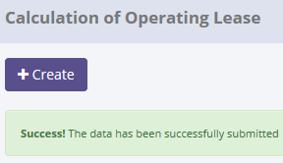
ProcessID | OriginalID | OPLCalculationNo | CreatedDate | CreatedBy | Action
C873DD50-6163-41D4-B254-62BFB97058E4 | 55 | 00037/OCN/01/05/2015 | 2015-05-21 10:43:56 | Achmad Fardani | Save Changes
25A1F67A-E7C5-4191-8EB4-3712689C0844 | 55 | 00037/OCN/01/05/2015 | 2015-05-21 11:55:07 | Achmad Fardani | Save Changes
C16EE9CC-E819-42BF-8402-2CE1F200FDCA | 55 | 00037/OCN/01/05/2015 | 2015-05-21 11:30:49 | Achmad Fardani | Save Changes
35AFBAD9-D287-4079-BF22-1AD0F35F71A1 | 55 | 00037/OCN/01/05/2015 | 2015-05-21 11:01:13 | Achmad Fardani | Save Changes
30FB2B26-DA38-4B94-8316-130D10042CF8 | 55 | 00037/OCN/01/05/2015 | 2015-05-21 13:11:50 | Achmad Fardani | Save Changes

16.1 UAT
Try to "Set to Draft" data, then data has been changed
SELECT *
FROM [olss_qa_cr].[dbo].OPLCalculation
WHERE IdOPLCalculation=55;

Before
IdOPLCalculation | OPLCalculationNumber | ProductCode | CustomerCode | LeaseCategory | ContractNumberReff | Usage | StartPeriodPlan | EndPeriodPlan | LeasePeriodPlan | MonthlyMileage | NumberPlatColor | MaintenanceType | PurchaseAfterLease | Insurance | STNKRenewal | KEURRenewal | Carroserrie | CarroserrieType | Accessories | AccessoriesType | IsNewUnit | BASTHAndoverSchedule | SecurityDepositPayment | SecurityDepositAmount | FirstLeasePayment | TotalUnitQuantityLease | SpecialCaseRemarks | MonthlyInstallmentSetting | InterestExpense | InterestExpenseBAST | TotalCost | MonthlyInstallmentAmount | InterestRatePercent | Spread | ProfitAmount | InsuranceCommisionAmount | TotalProfitAmount | Remarks | IsValid | IsDraft | IsSubmitted | IsDeleted | CreateDate | CreateBy | LastModified | LastModifiedBy
55 | 00037/OCN/01/05/2015 | VEH/24-TR/V-001/TE2PUD/201301 | 151501 | 9 | NULL | 11 | 42,005 | 43,830 | 60 | NULL | 14 | 5 | 1 | 1 | NULL | NULL | NULL | NULL | NULL | Test | NULL | NULL | 0 | 0 | 0 | 1 | NULL | 2 | 307591609.76 | 0 | 2678071767 | 50,380,000 | 0:00:00 | NULL | NULL | NULL | 3022800000 | 6 | 0 | 0 | 1 | 0 | 2015-05-08 09:18:41 | Achmad Fardani | 2015-05-21 13:23:32 | Achmad Fardani

After
IdOPLCalculation | OPLCalculationNumber | ProductCode | CustomerCode | LeaseCategory | ContractNumberReff | Usage | StartPeriodPlan | EndPeriodPlan | LeasePeriodPlan | MonthlyMileage | NumberPlatColor | MaintenanceType | PurchaseAfterLease | Insurance | STNKRenewal | KEURRenewal | Carroserrie | CarroserrieType | Accessories | AccessoriesType | IsNewUnit | BASTHAndoverSchedule | SecurityDepositPayment | SecurityDepositAmount | FirstLeasePayment | TotalUnitQuantityLease | SpecialCaseRemarks | MonthlyInstallmentSetting | InterestExpense | InterestExpenseBAST | TotalCost | MonthlyInstallmentAmount | InterestRatePercent | Spread | ProfitAmount | InsuranceCommisionAmount | TotalProfitAmount | Remarks | IsValid | IsDraft | IsSubmitted | IsDeleted | CreateDate | CreateBy | LastModified | LastModifiedBy
55 | 00037/OCN/01/05/2015 | VEH/24-TR/V-001/TE2PUD/201301 | 151501 | 9 | NULL | 11 | 42,005 | 43,830 | 60 | NULL | 14 | 5 | 1 | 1 | NULL | NULL | NULL | NULL | NULL | Test | NULL | NULL | 0 | 0 | 0 | 1 | NULL | 2 | 307591609.76 | 0 | 2678071767 | 50,380,000 | 0:00:00 | NULL | NULL | NULL | 3022800000 | 6 | 0 | 1 | 1 | 0 | 2015-05-08 09:18:41 | Achmad Fardani | 2015-05-21 13:23:32 | Achmad Fardani

SELECT TOP 5 *
FROM [olss_qa_cr].[dbo].[OPLCalculation_History]
ORDER BY CreatedDate DESC

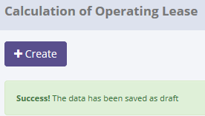
ProcessID | OriginalID | OPLCalculationNo | CreatedDate | CreatedBy | Action
87C33564-EE35-4631-966A-FA6F5E7E2F9B | 55 | 00037/OCN/01/05/2015 | 5/21/15 | Achmad Fardani | Set To Draft
30FB2B26-DA38-4B94-8316-130D10042CF8 | 55 | 00037/OCN/01/05/2015 | 5/21/15 | Achmad Fardani | Save Changes
25A1F67A-E7C5-4191-8EB4-3712689C0844 | 55 | 00037/OCN/01/05/2015 | 5/21/15 | Achmad Fardani | Save Changes
13CD1F1F-506C-497C-A5ED-C4BFEDD040C0 | 55 | 00037/OCN/01/05/2015 | 5/21/15 | Achmad Fardani | Save Changes
C16EE9CC-E819-42BF-8402-2CE1F200FDCA | 55 | 00037/OCN/01/05/2015 | 5/21/15 | Achmad Fardani | Save Changes

SELECT *
FROM [olss_qa_cr].[dbo].[OplCalculation_History_Dtl]
WHERE ProcessID='87C33564-EE35-4631-966A-FA6F5E7E2F9B';

ProcessID | IdOPLCalculation | OPLCalculationNumber | ProductCode | CustomerCode | LeaseCategory | ContractNumberReff | Usage | StartPeriodPlan | EndPeriodPlan | LeasePeriodPlan | MonthlyMileage | NumberPlatColor | MaintenanceType | PurchaseAfterLease | Insurance | STNKRenewal | KEURRenewal | Carroserrie | CarroserrieType | Accessories | AccessoriesType | IsNewUnit | BASTHAndoverSchedule | SecurityDepositPayment | SecurityDepositAmount | FirstLeasePayment | TotalUnitQuantityLease | SpecialCaseRemarks | MonthlyInstallmentSetting | InterestExpense | InterestExpenseBAST | TotalCost | MonthlyInstallmentAmount | InterestRatePercent | Spread | ProfitAmount | InsuranceCommisionAmount | TotalProfitAmount | Remarks | IsValid | IsDraft | IsSubmitted | IsDeleted | CreateDate | CreateBy | LastModified | LastModifiedBy
87C33564-EE35-4631-966A-FA6F5E7E2F9B | 55 | 00037/OCN/01/05/2015 | VEH/24-TR/V-001/TE2PUD/201301 | 151501 | 1900-01-09 00:00:00 | NULL | 11 | 2015-01-01 00:00:00 | 2019-12-31 00:00:00 | 60 | NULL | 14 | 5 | 1 | 1 | NULL | NULL | NULL | NULL | NULL | Test | NULL | NULL | 0 | 0 | 0 | 1 | NULL | 2 | 307591609.76 | 0 | 2678071767 | 50,380,000 | 0:00:00 | NULL | NULL | NULL | 3022800000 | 6 | 0 | 0 | 1 | 0 | 2015-05-08 09:18:41 | Achmad Fardani | 2015-05-21 13:23:32 | Achmad Fardani

16.2 UAT
Try to "Set to Draft" data, then data has been changed
SELECT *
FROM [olss_qa_cr].[dbo].OPLCalculation
WHERE IdOPLCalculation=46;

Before
IdOPLCalculation | OPLCalculationNumber | ProductCode | CustomerCode | LeaseCategory | ContractNumberReff | Usage | StartPeriodPlan | EndPeriodPlan | LeasePeriodPlan | MonthlyMileage | NumberPlatColor | MaintenanceType | PurchaseAfterLease | Insurance | STNKRenewal | KEURRenewal | Carroserrie | CarroserrieType | Accessories | AccessoriesType | IsNewUnit | BASTHAndoverSchedule | SecurityDepositPayment | SecurityDepositAmount | FirstLeasePayment | TotalUnitQuantityLease | SpecialCaseRemarks | MonthlyInstallmentSetting | InterestExpense | InterestExpenseBAST | TotalCost | MonthlyInstallmentAmount | InterestRatePercent | Spread | ProfitAmount | InsuranceCommisionAmount | TotalProfitAmount | Remarks | IsValid | IsDraft | IsSubmitted | IsDeleted | CreateDate | CreateBy | LastModified | LastModifiedBy
46 | 00028/OCN/01/02/2015 | VEH/00021/V-001/FJ2523/201410 | 12345 | 7 | NULL | 11 | 41,640 | 43,100 | 48 | 10,000 | 13 | 6 | 1 | 1 | NULL | NULL | NULL | Wing Box | NULL | NULL | NULL | 42,036 | 0 | 0 | 0 | 0 | NULL | 1 | 183238519.61 | 297762.611 | 682711925 | 16,160,000 | 0:00:00 | NULL | NULL | NULL | 775680000 | 6 | 0 | 0 | 1 | 0 | 2015-02-16 11:19:54 | Deny Prasetya | 2015-02-16 13:59:37 | Deny Prasetya

After
IdOPLCalculation | OPLCalculationNumber | ProductCode | CustomerCode | LeaseCategory | ContractNumberReff | Usage | StartPeriodPlan | EndPeriodPlan | LeasePeriodPlan | MonthlyMileage | NumberPlatColor | MaintenanceType | PurchaseAfterLease | Insurance | STNKRenewal | KEURRenewal | Carroserrie | CarroserrieType | Accessories | AccessoriesType | IsNewUnit | BASTHAndoverSchedule | SecurityDepositPayment | SecurityDepositAmount | FirstLeasePayment | TotalUnitQuantityLease | SpecialCaseRemarks | MonthlyInstallmentSetting | InterestExpense | InterestExpenseBAST | TotalCost | MonthlyInstallmentAmount | InterestRatePercent | Spread | ProfitAmount | InsuranceCommisionAmount | TotalProfitAmount | Remarks | IsValid | IsDraft | IsSubmitted | IsDeleted | CreateDate | CreateBy | LastModified | LastModifiedBy
46 | 00028/OCN/01/02/2015 | VEH/00021/V-001/FJ2523/201410 | 12345 | 7 | NULL | 11 | 41,640 | 43,100 | 48 | 10000 | 13 | 6 | 1 | 1 | NULL | NULL | NULL | Wing Box | NULL | NULL | NULL | 42,036 | 0 | 0 | 0 | 0 | NULL | 1 | 183238519.61 | 297762.611 | 682711925 | 16,160,000 | 0:00:00 | NULL | NULL | NULL | 775680000 | 6 | 0 | 1 | 1 | 0 | 2015-02-16 11:19:54 | Deny Prasetya | 2015-02-16 13:59:37 | Deny Prasetya

17.1 UAT
Try to "change" data, then data has been changed
SELECT *
FROM [olss_qa_cr].[dbo].OPLQuotation
WHERE IdOPLQuotation=12;

Before
IdOPLQuotation | OPLCalculationNumber | OPLProposalNumber | OPLQuotationNumber | OPLQuotationDate | Validuntil | ExpectedDeliveryDate | DeliveryPlace | DownPayment | PrepaidMonthsRent | Payment | Tax | AdditionalItems | Remarks | IsValid | IsDraft | IsSubmitted | IsDeleted | CreateDate | CreateBy | LastModified | LastModifiedBy | BASTHAndoverSchedule | SecurityDepositPayment | SecurityDepositAmount | FirstLeasePayment | TotalUnitQuantityLease | SpecialCaseRemarks | MonthlyInstallmentSetting | InterestExpense | InterestExpenseBAST | TotalCost | MonthlyInstallmentAmount | InterestRatePercent | Spread | ProfitAmount | InsuranceCommisionAmount | TotalProfitAmount | Remarks | IsValid | IsDraft | IsSubmitted | IsDeleted | CreateDate | CreateBy | LastModified | LastModifiedBy
12 | 00013/OCN/01/12/2014 | 00012/OPN/01/12/2014 | 00005/OQN/01/01/2015 | 42,024 | 42,024 | 2015-01-20 00:00:00.000 | NULL | 0 | NULL | NULL | NULL | NULL | NULL | 0 | 1 | 0 | 0 | 42024 | Deny Prasetya | NULL | NULL | NULL | 0 | 0 | 0 | 1 | NULL | 2 | 307591609.76 | 0 | 2678071767 | 50,380,000 | 0:00:00 | NULL | NULL | NULL | 3022800000 | 6 | 0 | 0 | 1 | 0 | 2015-05-08 09:18:41 | Achmad Fardani | 2015-05-21 13:23:32 | Achmad Fardani

After
IdOPLQuotation | OPLCalculationNumber | OPLProposalNumber | OPLQuotationNumber | OPLQuotationDate | Validuntil | ExpectedDeliveryDate | DeliveryPlace | DownPayment | PrepaidMonthsRent | Payment | Tax | AdditionalItems | Remarks | IsValid | IsDraft | IsSubmitted | IsDeleted | CreateDate | CreateBy | LastModified | LastModifiedBy | BASTHAndoverSchedule | SecurityDepositPayment | SecurityDepositAmount | FirstLeasePayment | TotalUnitQuantityLease | SpecialCaseRemarks | MonthlyInstallmentSetting | InterestExpense | InterestExpenseBAST | TotalCost | MonthlyInstallmentAmount | InterestRatePercent | Spread | ProfitAmount | InsuranceCommisionAmount | TotalProfitAmount | Remarks | IsValid | IsDraft | IsSubmitted | IsDeleted | CreateDate | CreateBy | LastModified | LastModifiedBy
12 | 00013/OCN/01/12/2014 | 00012/OPN/01/12/2014 | 00005/OQN/01/01/2015 | 42,024 | 42,024 | 42,024 | Jakarta | 0 | NULL | NULL | NULL | NULL | NULL | 0 | 1 | 0 | 0 | 42,024 | Deny Prasetya | 2015-05-21 13:40:30 | Achmad Fardani | NULL | 0 | 0 | 0 | 1 | NULL | 2 | 307591609.76 | 0 | 2678071767 | 50,380,000 | 0:00:00 | NULL | NULL | NULL | 3022800000 | 6 | 0 | 1 | 1 | 0 | 2015-05-08 09:18:41 | Achmad Fardani | 2015-05-21 13:23:32 | Achmad Fardani

SELECT TOP 5 *
FROM [olss_qa_cr].[dbo].[OPLQuotation_History]
ORDER BY CreatedDate DESC

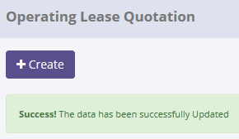
ProcessID | OriginalID | OPLQuotationNo | CreatedDate | CreatedBy | Action
40E6A76A-2C4E-4BE1-B8D1-ED512D34F63F | 12 | 00005/OQN/01/01/2015 | 5/21/15 | Achmad Fardani | Save Changes

SELECT *
FROM [olss_qa_cr].[dbo].[OplQuotation_History_Dtl]
WHERE ProcessID='40E6A76A-2C4E-4BE1-B8D1-ED512D34F63F';

ProcessID | IdOPLQuotation | OPLCalculationNumber | OPLProposalNumber | OPLQuotationNumber | OPLQuotationDate | Validuntil | ExpectedDeliveryDate | DeliveryPlace | DownPayment | PrepaidMonthsRent | Payment | Tax | AdditionalItems | Remarks | IsValid | IsDraft | IsSubmitted | IsDeleted | CreateDate | CreateBy | LastModified | LastModifiedBy
40E6A76A-2C4E-4BE1-B8D1-ED512D34F63F | 12 | 00013/OCN/01/12/2014 | 00012/OPN/01/12/2014 | 00005/OQN/01/01/2015 | 2015-01-20 00:00:00 | 2015-01-20 00:00:00 | 2015-01-20 00:00:00 | NULL | 0:00:00 | NULL | NULL | NULL | NULL | NULL | 0 | 1 | 0 | 0 | 2015-01-20 09:51:42 | Deny Prasetya | NULL | NULL

17.2 UAT
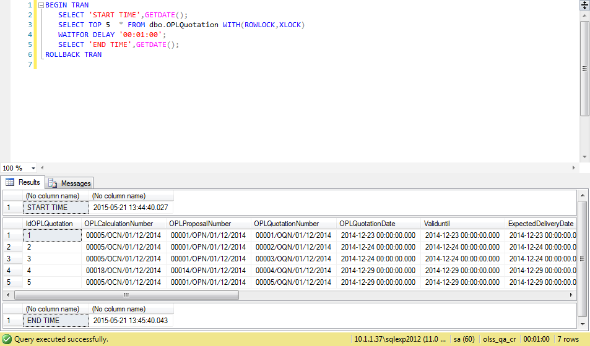
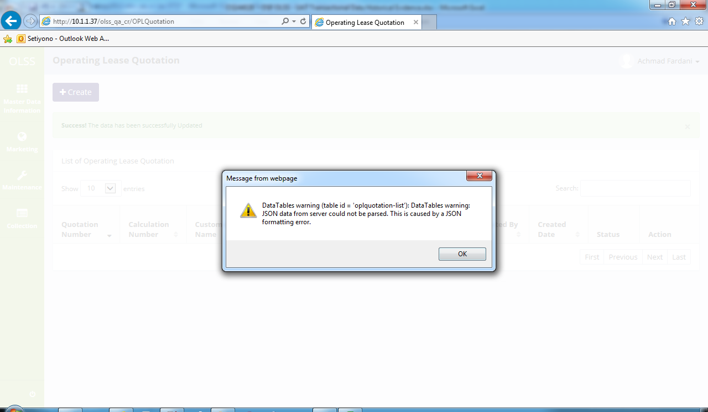
Try to "change" data, then data has been changed
SELECT *
FROM [olss_qa_cr].[dbo].OPLQuotation
WHERE IdOPLQuotation=12;

Before
IdOPLQuotation | OPLCalculationNumber | OPLProposalNumber | OPLQuotationNumber | OPLQuotationDate | Validuntil | ExpectedDeliveryDate | DeliveryPlace | DownPayment | PrepaidMonthsRent | Payment | Tax | AdditionalItems | Remarks | IsValid | IsDraft | IsSubmitted | IsDeleted | CreateDate | CreateBy | LastModified | LastModifiedBy | BASTHAndoverSchedule | SecurityDepositPayment | SecurityDepositAmount | FirstLeasePayment | TotalUnitQuantityLease | SpecialCaseRemarks | MonthlyInstallmentSetting | InterestExpense | InterestExpenseBAST | TotalCost | MonthlyInstallmentAmount | InterestRatePercent | Spread | ProfitAmount | InsuranceCommisionAmount | TotalProfitAmount | Remarks | IsValid | IsDraft | IsSubmitted | IsDeleted | CreateDate | CreateBy | LastModified | LastModifiedBy
12 | 00013/OCN/01/12/2014 | 00012/OPN/01/12/2014 | 00005/OQN/01/01/2015 | 42,024 | 42,024 | 2015-01-20 00:00:00.000 | Jakarta | 0 | NULL | NULL | NULL | NULL | NULL | 0 | 1 | 0 | 0 | 42024 | Deny Prasetya | 2015-05-21 13:40:30 | Achmad Fardani | NULL | 0 | 0 | 0 | 1 | NULL | 2 | 307591609.76 | 0 | 2678071767 | 50,380,000 | 0:00:00 | NULL | NULL | NULL | 3022800000 | 6 | 0 | 0 | 1 | 0 | 2015-05-08 09:18:41 | Achmad Fardani | 2015-05-21 13:23:32 | Achmad Fardani

After
IdOPLQuotation | OPLCalculationNumber | OPLProposalNumber | OPLQuotationNumber | OPLQuotationDate | Validuntil | ExpectedDeliveryDate | DeliveryPlace | DownPayment | PrepaidMonthsRent | Payment | Tax | AdditionalItems | Remarks | IsValid | IsDraft | IsSubmitted | IsDeleted | CreateDate | CreateBy | LastModified | LastModifiedBy | BASTHAndoverSchedule | SecurityDepositPayment | SecurityDepositAmount | FirstLeasePayment | TotalUnitQuantityLease | SpecialCaseRemarks | MonthlyInstallmentSetting | InterestExpense | InterestExpenseBAST | TotalCost | MonthlyInstallmentAmount | InterestRatePercent | Spread | ProfitAmount | InsuranceCommisionAmount | TotalProfitAmount | Remarks | IsValid | IsDraft | IsSubmitted | IsDeleted | CreateDate | CreateBy | LastModified | LastModifiedBy
12 | 00013/OCN/01/12/2014 | 00012/OPN/01/12/2014 | 00005/OQN/01/01/2015 | 42,024 | 42,024 | 42,024 | Jakarta | 0 | NULL | NULL | 5000000 | NULL | NULL | 0 | 1 | 0 | 0 | 42,024 | Deny Prasetya | 2015-05-21 13:44:45 | Achmad Fardani | NULL | 0 | 0 | 0 | 1 | NULL | 2 | 307591609.76 | 0 | 2678071767 | 50,380,000 | 0:00:00 | NULL | NULL | NULL | 3022800000 | 6 | 0 | 1 | 1 | 0 | 2015-05-08 09:18:41 | Achmad Fardani | 2015-05-21 13:23:32 | Achmad Fardani

18.1 UAT
Try to "Submit" data, then data has been changed
SELECT *
FROM [olss_qa_cr].[dbo].OPLQuotation
WHERE IdOPLQuotation=12;

Before
IdOPLQuotation | OPLCalculationNumber | OPLProposalNumber | OPLQuotationNumber | OPLQuotationDate | Validuntil | ExpectedDeliveryDate | DeliveryPlace | DownPayment | PrepaidMonthsRent | Payment | Tax | AdditionalItems | Remarks | IsValid | IsDraft | IsSubmitted | IsDeleted | CreateDate | CreateBy | LastModified | LastModifiedBy
12 | 00013/OCN/01/12/2014 | 00012/OPN/01/12/2014 | 00005/OQN/01/01/2015 | 42,024 | 42,024 | 2015-01-20 00:00:00.000 | Jakarta | 0 | NULL | NULL | 5,000,000 | NULL | NULL | 0 | 1 | 0 | 0 | 42024 | Deny Prasetya | 2015-05-21 13:44:45 | Achmad Fardani

After
IdOPLQuotation | OPLCalculationNumber | OPLProposalNumber | OPLQuotationNumber | OPLQuotationDate | Validuntil | ExpectedDeliveryDate | DeliveryPlace | DownPayment | PrepaidMonthsRent | Payment | Tax | AdditionalItems | Remarks | IsValid | IsDraft | IsSubmitted | IsDeleted | CreateDate | CreateBy | LastModified | LastModifiedBy
12 | 00013/OCN/01/12/2014 | 00012/OPN/01/12/2014 | 00005/OQN/01/01/2015 | 42,024 | 42,024 | 42,024 | Jakarta | 0 | NULL | NULL | 5000000 | NULL | NULL | 0 | 0 | 1 | 0 | 42,024 | Deny Prasetya | 2015-05-21 13:52:34 | Achmad Fardani

SELECT TOP 5 *
FROM [olss_qa_cr].[dbo].[OPLQuotation_History]
ORDER BY CreatedDate DESC

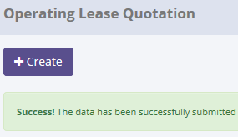
ProcessID | OriginalID | OPLQuotationNo | CreatedDate | CreatedBy | Action
58956B62-DF8C-433B-9470-8AA3EA2E1EF1 | 12 | 00005/OQN/01/01/2015 | 5/21/15 | Achmad Fardani | Submit
89AB1475-CC5B-4794-8EDB-F9823AB1AD64 | 12 | 00005/OQN/01/01/2015 | 5/21/15 | Achmad Fardani | Save Changes
40E6A76A-2C4E-4BE1-B8D1-ED512D34F63F | 12 | 00005/OQN/01/01/2015 | 5/21/15 | Achmad Fardani | Save Changes

SELECT *
FROM [olss_qa_cr].[dbo].[OplQuotation_History_Dtl]
WHERE ProcessID='58956B62-DF8C-433B-9470-8AA3EA2E1EF1';

ProcessID | IdOPLQuotation | OPLCalculationNumber | OPLProposalNumber | OPLQuotationNumber | OPLQuotationDate | Validuntil | ExpectedDeliveryDate | DeliveryPlace | DownPayment | PrepaidMonthsRent | Payment | Tax | AdditionalItems | Remarks | IsValid | IsDraft | IsSubmitted | IsDeleted | CreateDate | CreateBy | LastModified | LastModifiedBy
58956B62-DF8C-433B-9470-8AA3EA2E1EF1 | 12 | 00013/OCN/01/12/2014 | 00012/OPN/01/12/2014 | 00005/OQN/01/01/2015 | 2015-01-20 00:00:00 | 2015-01-20 00:00:00 | 2015-01-20 00:00:00 | Jakarta | 0:00:00 | NULL | NULL | 5000000 | NULL | NULL | 0 | 1 | 0 | 0 | 2015-01-20 09:51:42 | Deny Prasetya | 2015-05-21 13:44:45 | Achmad Fardani

18.2 UAT

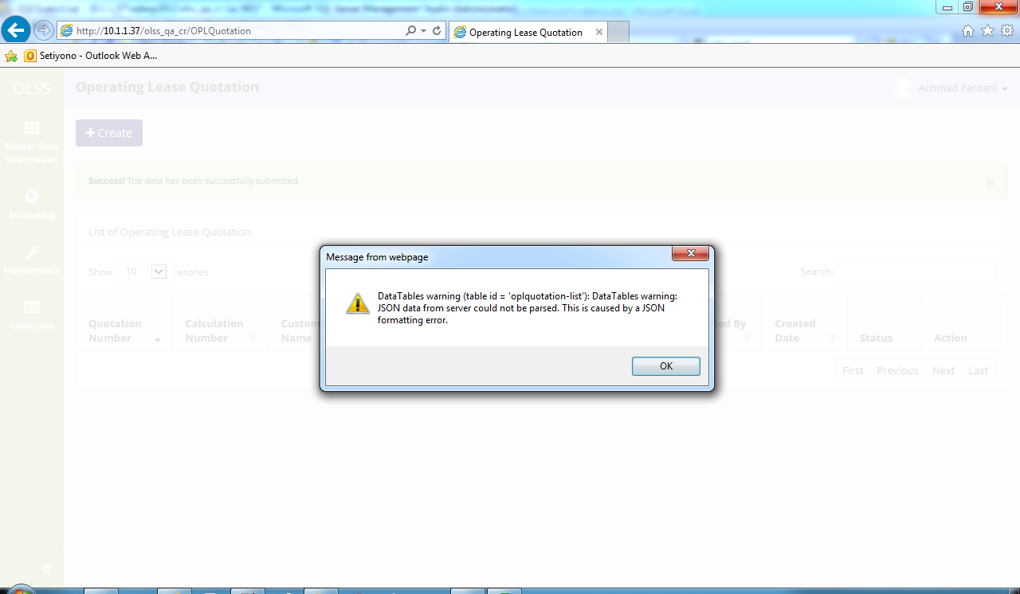
Try to "Submit" data, then data has been changed
SELECT *
FROM [olss_qa_cr].[dbo].OPLQuotation
WHERE IdOPLQuotation=11;

Before
IdOPLQuotation | OPLCalculationNumber | OPLProposalNumber | OPLQuotationNumber | OPLQuotationDate | Validuntil | ExpectedDeliveryDate | DeliveryPlace | DownPayment | PrepaidMonthsRent | Payment | Tax | AdditionalItems | Remarks | IsValid | IsDraft | IsSubmitted | IsDeleted | CreateDate | CreateBy | LastModified | LastModifiedBy
11 | 00013/OCN/01/12/2014 | 00012/OPN/01/12/2014 | 00004/OQN/01/01/2015 | 42,024 | 42,024 | 2015-01-20 00:00:00.000 | NULL | 0 | NULL | NULL | NULL | NULL | NULL | 0 | 1 | 0 | 0 | 42024 | Deny Prasetya | 2015-01-20 09:56:04 | Deny Prasetya

After
IdOPLQuotation | OPLCalculationNumber | OPLProposalNumber | OPLQuotationNumber | OPLQuotationDate | Validuntil | ExpectedDeliveryDate | DeliveryPlace | DownPayment | PrepaidMonthsRent | Payment | Tax | AdditionalItems | Remarks | IsValid | IsDraft | IsSubmitted | IsDeleted | CreateDate | CreateBy | LastModified | LastModifiedBy | LastModifiedBy
11 | 00013/OCN/01/12/2014 | 00012/OPN/01/12/2014 | 00004/OQN/01/01/2015 | 42,024 | 42,024 | 42,024 | NULL | 0 | NULL | NULL | NULL | NULL | NULL | 0 | - | 1 | 0 | 42,024 | Deny Prasetya | 2015-05-21 13:56:51 | Achmad Fardani | Achmad Fardani

19.1 UAT
Try to "Set to Draft" data, then data has been changed
SELECT *
FROM [olss_qa_cr].[dbo].OPLQuotation
WHERE IdOPLQuotation=13;

Before
IdOPLQuotation | OPLCalculationNumber | OPLProposalNumber | OPLQuotationNumber | OPLQuotationDate | Validuntil | ExpectedDeliveryDate | DeliveryPlace | DownPayment | PrepaidMonthsRent | Payment | Tax | AdditionalItems | Remarks | IsValid | IsDraft | IsSubmitted | IsDeleted | CreateDate | CreateBy | LastModified | LastModifiedBy
13 | 00014/OCN/01/12/2014 | 00013/OPN/01/12/2014 | 00006/OQN/01/01/2015 | 42,035 | 42,035 | 2015-01-20 00:00:00.000 | NULL | 0 | NULL | NULL | NULL | NULL | NULL | 0 | 0 | 1 | 0 | 42024 | Deny Prasetya | 2015-01-21 15:20:19 | Deny Prasetya

After
IdOPLQuotation | OPLCalculationNumber | OPLProposalNumber | OPLQuotationNumber | OPLQuotationDate | Validuntil | ExpectedDeliveryDate | DeliveryPlace | DownPayment | PrepaidMonthsRent | Payment | Tax | AdditionalItems | Remarks | IsValid | IsDraft | IsSubmitted | IsDeleted | CreateDate | CreateBy | LastModified | LastModifiedBy
13 | 00014/OCN/01/12/2014 | 00013/OPN/01/12/2014 | 00006/OQN/01/01/2015 | 42,035 | 42,035 | 42,024 | NULL | 0 | NULL | NULL | NULL | NULL | NULL | 0 | 1 | 0 | 0 | 42,024 | Deny Prasetya | 2015-05-21 14:01:12 | Achmad Fardani

SELECT TOP 5 *
FROM [olss_qa_cr].[dbo].[OPLQuotation_History]
ORDER BY CreatedDate DESC

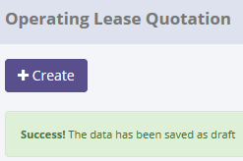
ProcessID | OriginalID | OPLQuotationNo | CreatedDate | CreatedBy | Action
173430D3-AE47-4976-B017-DFA2F5BA24DC | 13 | 00006/OQN/01/01/2015 | 5/21/15 | Achmad Fardani | Set to Draft
E0020434-E0B8-4830-903F-6380555044B8 | 11 | 00004/OQN/01/01/2015 | 5/21/15 | Achmad Fardani | Submit
58956B62-DF8C-433B-9470-8AA3EA2E1EF1 | 12 | 00005/OQN/01/01/2015 | 5/21/15 | Achmad Fardani | Submit
89AB1475-CC5B-4794-8EDB-F9823AB1AD64 | 12 | 00005/OQN/01/01/2015 | 5/21/15 | Achmad Fardani | Save Changes
40E6A76A-2C4E-4BE1-B8D1-ED512D34F63F | 12 | 00005/OQN/01/01/2015 | 5/21/15 | Achmad Fardani | Save Changes

SELECT *
FROM [olss_qa_cr].[dbo].[OplQuotation_History_Dtl]
WHERE ProcessID='173430D3-AE47-4976-B017-DFA2F5BA24DC';

ProcessID | IdOPLQuotation | OPLCalculationNumber | OPLProposalNumber | OPLQuotationNumber | OPLQuotationDate | Validuntil | ExpectedDeliveryDate | DeliveryPlace | DownPayment | PrepaidMonthsRent | Payment | Tax | AdditionalItems | Remarks | IsValid | IsDraft | IsSubmitted | IsDeleted | CreateDate | CreateBy | LastModified | LastModifiedBy
173430D3-AE47-4976-B017-DFA2F5BA24DC | 13 | 00014/OCN/01/12/2014 | 00013/OPN/01/12/2014 | 00006/OQN/01/01/2015 | 2015-01-31 00:00:00 | 2015-01-31 00:00:00 | 2015-01-20 00:00:00 | NULL | 0:00:00 | NULL | NULL | NULL | NULL | NULL | 0 | 0 | 1 | 0 | 2015-01-20 09:54:19 | Deny Prasetya | 2015-01-21 15:20:19 | Deny Prasetya

19.2 UAT
Try to "Set to Draft" data, then data has been changed
SELECT *
FROM [olss_qa_cr].[dbo].OPLQuotation
WHERE IdOPLQuotation=11;

Before
IdOPLQuotation | OPLCalculationNumber | OPLProposalNumber | OPLQuotationNumber | OPLQuotationDate | Validuntil | ExpectedDeliveryDate | DeliveryPlace | DownPayment | PrepaidMonthsRent | Payment | Tax | AdditionalItems | Remarks | IsValid | IsDraft | IsSubmitted | IsDeleted | CreateDate | CreateBy | LastModified | LastModifiedBy
11 | 00013/OCN/01/12/2014 | 00012/OPN/01/12/2014 | 00004/OQN/01/01/2015 | 42,024 | 42,024 | 42,024 | NULL | 0 | NULL | NULL | NULL | NULL | NULL | 0 | 0 | 1 | 0 | 42,024 | Deny Prasetya | 5/21/15 | Achmad Fardani | Achmad Fardani

After
IdOPLQuotation | OPLCalculationNumber | OPLProposalNumber | OPLQuotationNumber | OPLQuotationDate | Validuntil | ExpectedDeliveryDate | DeliveryPlace | DownPayment | PrepaidMonthsRent | Payment | Tax | AdditionalItems | Remarks | IsValid | IsDraft | IsSubmitted | IsDeleted | CreateDate | CreateBy | LastModified | LastModifiedBy | LastModifiedBy
11 | 00013/OCN/01/12/2014 | 00012/OPN/01/12/2014 | 00004/OQN/01/01/2015 | 42,024 | 42,024 | 42,024 | NULL | 0 | NULL | NULL | NULL | NULL | NULL | 0 | 1 | 1 | 0 | 42,024 | Deny Prasetya | 5/21/15 | Achmad Fardani | Achmad Fardani

20.1 UAT
Try to "Validate" data, then data has been changed
SELECT *
FROM [olss_qa_cr].[dbo].OPLQuotation
WHERE IdOPLQuotation=12;

Before
IdOPLQuotation | OPLCalculationNumber | OPLProposalNumber | OPLQuotationNumber | OPLQuotationDate | Validuntil | ExpectedDeliveryDate | DeliveryPlace | DownPayment | PrepaidMonthsRent | Payment | Tax | AdditionalItems | Remarks | IsValid | IsDraft | IsSubmitted | IsDeleted | CreateDate | CreateBy | LastModified | LastModifiedBy
12 | 00013/OCN/01/12/2014 | 00012/OPN/01/12/2014 | 00005/OQN/01/01/2015 | 42,024 | 42,024 | 2015-01-20 00:00:00.000 | Jakarta | 0 | NULL | NULL | 5,000,000 | NULL | NULL | 0 | 0 | 1 | 0 | 42024 | Deny Prasetya | 2015-05-21 13:52:34 | Achmad Fardani

After
IdOPLQuotation | OPLCalculationNumber | OPLProposalNumber | OPLQuotationNumber | OPLQuotationDate | Validuntil | ExpectedDeliveryDate | DeliveryPlace | DownPayment | PrepaidMonthsRent | Payment | Tax | AdditionalItems | Remarks | IsValid | IsDraft | IsSubmitted | IsDeleted | CreateDate | CreateBy | LastModified | LastModifiedBy
12 | 00013/OCN/01/12/2014 | 00012/OPN/01/12/2014 | 00005/OQN/01/01/2015 | 42,024 | 42,024 | 42,024 | Jakarta | 0 | NULL | NULL | 5000000 | NULL | NULL | 1 | 0 | 0 | 0 | 42,024 | Deny Prasetya | 2015-05-21 14:19:39 | Achmad Fardani

SELECT TOP 5 *
FROM [olss_qa_cr].[dbo].[OPLQuotation_History]
ORDER BY CreatedDate DESC

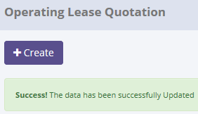
ProcessID | OriginalID | OPLQuotationNo | CreatedDate | CreatedBy | Action
6339AE58-4BFA-48A9-AEFC-AEF5B954AB49 | 12 | 00005/OQN/01/01/2015 | 5/21/15 | Achmad Fardani | Validate
F5CCB45C-EE96-4C56-BA82-0A32187EDC1B | 11 | 00004/OQN/01/01/2015 | 5/21/15 | Achmad Fardani | Set to Draft
173430D3-AE47-4976-B017-DFA2F5BA24DC | 13 | 00006/OQN/01/01/2015 | 5/21/15 | Achmad Fardani | Set to Draft
E0020434-E0B8-4830-903F-6380555044B8 | 11 | 00004/OQN/01/01/2015 | 5/21/15 | Achmad Fardani | Submit
58956B62-DF8C-433B-9470-8AA3EA2E1EF1 | 12 | 00005/OQN/01/01/2015 | 5/21/15 | Achmad Fardani | Submit

SELECT *
FROM [olss_qa_cr].[dbo].[OplQuotation_History_Dtl]
WHERE ProcessID='6339AE58-4BFA-48A9-AEFC-AEF5B954AB49';

ProcessID | IdOPLQuotation | OPLCalculationNumber | OPLProposalNumber | OPLQuotationNumber | OPLQuotationDate | Validuntil | ExpectedDeliveryDate | DeliveryPlace | DownPayment | PrepaidMonthsRent | Payment | Tax | AdditionalItems | Remarks | IsValid | IsDraft | IsSubmitted | IsDeleted | CreateDate | CreateBy | LastModified | LastModifiedBy
6339AE58-4BFA-48A9-AEFC-AEF5B954AB49 | 12 | 00013/OCN/01/12/2014 | 00012/OPN/01/12/2014 | 00005/OQN/01/01/2015 | 2015-01-20 00:00:00 | 2015-01-20 00:00:00 | 2015-01-20 00:00:00 | Jakarta | 0:00:00 | NULL | NULL | 5000000 | NULL | NULL | 0 | 0 | 1 | 0 | 2015-01-20 09:51:42 | Deny Prasetya | 2015-05-21 13:52:34 | Achmad Fardani

20.2 UAT
Try to "change" data, then data has been changed
SELECT *
FROM [olss_qa_cr].[dbo].OPLQuotation
WHERE IdOPLQuotation=15;

Before
IdOPLQuotation | OPLCalculationNumber | OPLProposalNumber | OPLQuotationNumber | OPLQuotationDate | Validuntil | ExpectedDeliveryDate | DeliveryPlace | DownPayment | PrepaidMonthsRent | Payment | Tax | AdditionalItems | Remarks | IsValid | IsDraft | IsSubmitted | IsDeleted | CreateDate | CreateBy | LastModified | LastModifiedBy
15 | 00017/OCN/01/12/2014 | 00002/OPN/01/01/2015 | 00008/OQN/01/02/2015 | 42,038 | 42,038 | 2015-02-03 00:00:00.000 | NULL | 0 | NULL | NULL | NULL | NULL | NULL | 0 | 0 | 1 | 0 | 42039 | Deny Prasetya | 2/3/15 | Deny Prasetya

After
IdOPLQuotation | OPLCalculationNumber | OPLProposalNumber | OPLQuotationNumber | OPLQuotationDate | Validuntil | ExpectedDeliveryDate | DeliveryPlace | DownPayment | PrepaidMonthsRent | Payment | Tax | AdditionalItems | Remarks | IsValid | IsDraft | IsSubmitted | IsDeleted | CreateDate | CreateBy | LastModified | LastModifiedBy | LastModifiedBy
15 | 00017/OCN/01/12/2014 | 00002/OPN/01/01/2015 | 00008/OQN/01/02/2015 | 42,038 | 42,038 | 2015-02-03 00:00:00.000 | NULL | 0 | NULL | NULL | NULL | NULL | NULL | 1 | 0 | 1 | 0 | 42039 | Deny Prasetya | 5/21/15 | Achmad Fardani | Achmad Fardani

21.1 UAT
Try to "Invalidate" data, then data has been changed
SELECT *
FROM [olss_qa_cr].[dbo].OPLQuotation
WHERE IdOPLQuotation=16;

Before
IdOPLQuotation | OPLCalculationNumber | OPLProposalNumber | OPLQuotationNumber | OPLQuotationDate | Validuntil | ExpectedDeliveryDate | DeliveryPlace | DownPayment | PrepaidMonthsRent | Payment | Tax | AdditionalItems | Remarks | IsValid | IsDraft | IsSubmitted | IsDeleted | CreateDate | CreateBy | LastModified | LastModifiedBy
16 | 00025/OCN/01/02/2015 | 00004/OPN/01/02/2015 | 00009/OQN/01/02/2015 | 42,045 | 42,045 | 2015-02-10 00:00:00.000 | Jakarta | 5,000,000 | NULL | NULL | 500,000 | NULL | Test Edited | 1 | 0 | 0 | 0 | 42046 | Deny Prasetya | 2015-02-16 14:12:42 | Deny Prasetya

After
IdOPLQuotation | OPLCalculationNumber | OPLProposalNumber | OPLQuotationNumber | OPLQuotationDate | Validuntil | ExpectedDeliveryDate | DeliveryPlace | DownPayment | PrepaidMonthsRent | Payment | Tax | AdditionalItems | Remarks | IsValid | IsDraft | IsSubmitted | IsDeleted | CreateDate | CreateBy | LastModified | LastModifiedBy
16 | 00025/OCN/01/02/2015 | 00004/OPN/01/02/2015 | 00009/OQN/01/02/2015 | 42,045 | 42,045 | 42,045 | Jakarta | 5,000,000 | NULL | NULL | 500000 | NULL | Test Edited | 0 | 0 | 0 | 0 | 42,046 | Deny Prasetya | 2015-05-21 14:30:30 | Achmad Fardani

SELECT TOP 5 *
FROM [olss_qa_cr].[dbo].[OPLQuotation_History]
ORDER BY CreatedDate DESC

ProcessID | OriginalID | OPLQuotationNo | CreatedDate | CreatedBy | Action
0BBD4487-7E36-4621-B424-58F5A808624F | 16 | 00009/OQN/01/02/2015 | 5/21/15 | Achmad Fardani | Invalidate
65A38682-C440-49AB-B16F-6EA300A572AD | 15 | 00008/OQN/01/02/2015 | 5/21/15 | Achmad Fardani | Validate
6339AE58-4BFA-48A9-AEFC-AEF5B954AB49 | 12 | 00005/OQN/01/01/2015 | 5/21/15 | Achmad Fardani | Validate
F5CCB45C-EE96-4C56-BA82-0A32187EDC1B | 11 | 00004/OQN/01/01/2015 | 5/21/15 | Achmad Fardani | Set to Draft
173430D3-AE47-4976-B017-DFA2F5BA24DC | 13 | 00006/OQN/01/01/2015 | 5/21/15 | Achmad Fardani | Set to Draft

SELECT *
FROM [olss_qa_cr].[dbo].[OplQuotation_History_Dtl]
WHERE ProcessID='0BBD4487-7E36-4621-B424-58F5A808624F';

ProcessID | IdOPLQuotation | OPLCalculationNumber | OPLProposalNumber | OPLQuotationNumber | OPLQuotationDate | Validuntil | ExpectedDeliveryDate | DeliveryPlace | DownPayment | PrepaidMonthsRent | Payment | Tax | AdditionalItems | Remarks | IsValid | IsDraft | IsSubmitted | IsDeleted | CreateDate | CreateBy | LastModified | LastModifiedBy
0BBD4487-7E36-4621-B424-58F5A808624F | 16 | 00025/OCN/01/02/2015 | 00004/OPN/01/02/2015 | 00009/OQN/01/02/2015 | 2015-02-10 00:00:00 | 2015-02-10 00:00:00 | 2015-02-10 00:00:00 | Jakarta | 5000000 | NULL | NULL | 500000 | NULL | Test Edited | 1 | 0 | 0 | 0 | 2015-02-10 17:47:55 | Deny Prasetya | 2015-02-16 14:12:42 | Deny Prasetya

21.2 UAT
Try to "Invalidate" data, then data has been changed
SELECT *
FROM [olss_qa_cr].[dbo].OPLQuotation
WHERE IdOPLQuotation=7;

Before
IdOPLQuotation | OPLCalculationNumber | OPLProposalNumber | OPLQuotationNumber | OPLQuotationDate | Validuntil | ExpectedDeliveryDate | DeliveryPlace | DownPayment | PrepaidMonthsRent | Payment | Tax | AdditionalItems | Remarks | IsValid | IsDraft | IsSubmitted | IsDeleted | CreateDate | CreateBy | LastModified | LastModifiedBy
7 | 00005/OCN/01/12/2014 | 00001/OPN/01/12/2014 | 00007/OQN/01/12/2014 | 42,003 | 42,003 | 2014-12-30 00:00:00.000 | NULL | 0 | NULL | NULL | NULL | NULL | NULL | 1 | 0 | 0 | 0 | 42003 | Deny Prasetya | 12/30/14 | Deny Prasetya

After
IdOPLQuotation | OPLCalculationNumber | OPLProposalNumber | OPLQuotationNumber | OPLQuotationDate | Validuntil | ExpectedDeliveryDate | DeliveryPlace | DownPayment | PrepaidMonthsRent | Payment | Tax | AdditionalItems | Remarks | IsValid | IsDraft | IsSubmitted | IsDeleted | CreateDate | CreateBy | LastModified | LastModifiedBy | LastModifiedBy
7 | 00005/OCN/01/12/2014 | 00001/OPN/01/12/2014 | 00007/OQN/01/12/2014 | 42,003 | 42,003 | 2014-12-30 00:00:00.000 | NULL | 0 | NULL | NULL | NULL | NULL | NULL | 0 | 0 | 0 | 0 | 42003 | Deny Prasetya | 5/21/15 | Achmad Fardani | Achmad Fardani

22.1 UAT
Try to "change" data, then data has been changed
SELECT *
FROM [olss_qa_cr].[dbo].[OPLAgreement]
WHERE IdOPLAgreement=12;

Before
IdOPLAgreement | PICFullName | PICPositionName | PICEmailAddress | PICTelephone | CustomerCode | AgreementNumberReff | CustomerCodeReff | AgreementNumber | AgreementDate | StartPeriodDate | EndPeriodDate | TerminateDate | LeaseCategory | IsInsurance | PurchaseAfterLease | PaymentTransactionType | FDueDateUsage | FDDatePayment | TermOfPayment | DepositPaymentDate | DepositReturnDate | DepositAmount | NumberOfPayments | TotalMonthlyInstallment | TotalUnitQuantity | IssueInvoiceDate | InterestOfPenalty | Remarks | IsValid | IsDraft | IsSubmitted | IsDeleted | CreateDate | CreateBy | LastModified | LastModifiedBy | BASTHAndoverSchedule
12 | Deny Prasetya | PIC Officer | deny@prasetia.com | 98,797,898,667 | 1,020,873 | NULL | NULL | AG20150521 | 41,974 | 41,976 | 42,138 | NULL | 7 | 1 | 1 | 31 | 2015-01-03 | NULL | NULL | NULL | NULL | NULL | NULL | 183,334 | 0 | 2015-01-03 | NULL | NULL | 0 | 1 | 0:00:00 | - | 2015-05-21 14:37:50 | Achmad Fardani | NULL | NULL | 2014-12-02

After
IdOPLAgreement | PICFullName | PICPositionName | PICEmailAddress | PICTelephone | CustomerCode | AgreementNumberReff | CustomerCodeReff | AgreementNumber | AgreementDate | StartPeriodDate | EndPeriodDate | TerminateDate | LeaseCategory | IsInsurance | PurchaseAfterLease | PaymentTransactionType | FDueDateUsage | FDDatePayment | TermOfPayment | DepositPaymentDate | DepositReturnDate | DepositAmount | NumberOfPayments | TotalMonthlyInstallment | TotalUnitQuantity | IssueInvoiceDate | InterestOfPenalty | Remarks | IsValid | IsDraft | IsSubmitted | IsDeleted | CreateDate | CreateBy | LastModified | LastModifiedBy | BASTHAndoverSchedule
12 | Deny Purnama | PIC Officer | deny@prasetia.com | 98,797,898,667 | 1,020,873 | NULL | NULL | AG20150521 | 41,974 | 2014-12-03 | 2015-05-14 | NULL | 7 | 1 | 1 | 31 | 42007 | NULL | NULL | NULL | NULL | NULL | NULL | 183,334 | 0 | 2015-01-03 | NULL | NULL | 0 | 1 | 0:00:00 | - | 2015-05-21 14:37:50 | Achmad Fardani | 2015-05-21 14:41:17 | Achmad Fardani | 2014-12-02

SELECT TOP 5 *
FROM [olss_qa_cr].[dbo].[OPLAgreement_History]
ORDER BY CreatedDate DESC

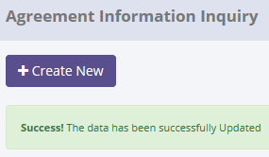
ProcessID | OriginalID | AgreementNumber | CreatedDate | CreatedBy | Action
A8AA7EE0-3535-4612-B93C-88E09C51C067 | 12 | AG20150521 | 5/21/15 | Achmad Fardani | Save Changes

SELECT *
FROM [olss_qa_cr].[dbo].[OplQuotation_History_Dtl]
WHERE ProcessID='A8AA7EE0-3535-4612-B93C-88E09C51C067';

ProcessID | IdOPLAgreement | PICFullName | PICPositionName | PICEmailAddress | PICTelephone | CustomerCode | AgreementNumberReff | CustomerCodeReff | AgreementNumber | AgreementDate | StartPeriodDate | EndPeriodDate | TerminateDate | LeaseCategory | IsInsurance | PurchaseAfterLease | PaymentTransactionType | FDueDateUsage | FDDatePayment | TermOfPayment | DepositPaymentDate | DepositReturnDate | DepositAmount | NumberOfPayments | TotalMonthlyInstallment | TotalUnitQuantity | IssueInvoiceDate | InterestOfPenalty | Remarks | IsValid | IsDraft | IsSubmitted | IsDeleted | CreateDate | CreateBy | LastModified | LastModifiedBy | BASTHAndoverSchedule
A8AA7EE0-3535-4612-B93C-88E09C51C067 | 12 | Deny Prasetya | PIC Officer | deny@prasetia.com | 98797898667 | 1020873 | NULL | NULL | AG20150521 | 2014-12-01 | 2014-12-03 | 2015-05-14 | NULL | 7 | 1 | 1 | 31 | 2015-01-03 | NULL | NULL | NULL | NULL | NULL | NULL | 183334 | 0 | 2015-01-03 | NULL | NULL | 0 | 1 | 0:00:00 | - | 2015-05-21 14:37:50 | Achmad Fardani | NULL | NULL | 2014-12-02

22.2 UAT
Try to "change" data, then data has been changed
SELECT *
FROM [olss_qa_cr].[dbo].[OPLAgreement]
WHERE IdOPLAgreement=12;

Before
IdOPLAgreement | PICFullName | PICPositionName | PICEmailAddress | PICTelephone | CustomerCode | AgreementNumberReff | CustomerCodeReff | AgreementNumber | AgreementDate | StartPeriodDate | EndPeriodDate | TerminateDate | LeaseCategory | IsInsurance | PurchaseAfterLease | PaymentTransactionType | FDueDateUsage | FDDatePayment | TermOfPayment | DepositPaymentDate | DepositReturnDate | DepositAmount | NumberOfPayments | TotalMonthlyInstallment | TotalUnitQuantity | IssueInvoiceDate | InterestOfPenalty | Remarks | IsValid | IsDraft | IsSubmitted | IsDeleted | CreateDate | CreateBy | LastModified | LastModifiedBy | BASTHAndoverSchedule
12 | Deny Purnama | PIC Officer | deny@prasetia.com | 98,797,898,667 | 1,020,873 | NULL | NULL | AG20150521 | 41,974 | 41,976 | 42,138 | NULL | 7 | 1 | 1 | 31 | 2015-01-03 | NULL | NULL | NULL | NULL | NULL | NULL | 183,334 | 0 | 2015-01-03 | NULL | NULL | 0 | 1 | 0:00:00 | - | 2015-05-21 14:37:50 | Achmad Fardani | 5/21/15 | Achmad Fardani | 2014-12-02

After
IdOPLAgreement | PICFullName | PICPositionName | PICEmailAddress | PICTelephone | CustomerCode | AgreementNumberReff | CustomerCodeReff | AgreementNumber | AgreementDate | StartPeriodDate | EndPeriodDate | TerminateDate | LeaseCategory | IsInsurance | PurchaseAfterLease | PaymentTransactionType | FDueDateUsage | FDDatePayment | TermOfPayment | DepositPaymentDate | DepositReturnDate | DepositAmount | NumberOfPayments | TotalMonthlyInstallment | TotalUnitQuantity | IssueInvoiceDate | InterestOfPenalty | Remarks | IsValid | IsDraft | IsSubmitted | IsDeleted | CreateDate | CreateBy | LastModified | LastModifiedBy | BASTHAndoverSchedule
12 | Deny Purnama | PIC Officer | deny@bsi.com | 98,797,898,667 | 1,020,873 | NULL | NULL | AG20150521 | 41,974 | 41,976 | 42,138 | NULL | 7 | 1 | 1 | 31 | 2015-01-03 | NULL | NULL | NULL | NULL | NULL | NULL | 183,334 | 0 | 2015-01-03 | NULL | NULL | 0 | 1 | 0:00:00 | - | 2015-05-21 14:37:50 | Achmad Fardani | 5/21/15 | Achmad Fardani | 2014-12-02

23.1 UAT
Try to "Submit" data, then data has been changed
SELECT *
FROM [olss_qa_cr].[dbo].[OPLAgreement]
WHERE IdOPLAgreement=12;

Before
IdOPLAgreement | PICFullName | PICPositionName | PICEmailAddress | PICTelephone | CustomerCode | AgreementNumberReff | CustomerCodeReff | AgreementNumber | AgreementDate | StartPeriodDate | EndPeriodDate | TerminateDate | LeaseCategory | IsInsurance | PurchaseAfterLease | PaymentTransactionType | FDueDateUsage | FDDatePayment | TermOfPayment | DepositPaymentDate | DepositReturnDate | DepositAmount | NumberOfPayments | TotalMonthlyInstallment | TotalUnitQuantity | IssueInvoiceDate | InterestOfPenalty | Remarks | IsValid | IsDraft | IsSubmitted | IsDeleted | CreateDate | CreateBy | LastModified | LastModifiedBy | BASTHAndoverSchedule
12 | Deny Purnama | PIC Officer | deny@bsi.com | 98,797,898,667 | 1,020,873 | NULL | NULL | AG20150521 | 41,974 | 41,976 | 42,138 | NULL | 7 | 1 | 1 | 31 | 2015-01-03 | NULL | NULL | NULL | NULL | NULL | NULL | 183,334 | 0 | 2015-01-03 | NULL | NULL | 0 | 1 | 0 | 0 | 2015-05-21 14:37:50 | Achmad Fardani | 2015-05-21 14:45:53 | Achmad Fardani | 2014-12-02

After
IdOPLAgreement | PICFullName | PICPositionName | PICEmailAddress | PICTelephone | CustomerCode | AgreementNumberReff | CustomerCodeReff | AgreementNumber | AgreementDate | StartPeriodDate | EndPeriodDate | TerminateDate | LeaseCategory | IsInsurance | PurchaseAfterLease | PaymentTransactionType | FDueDateUsage | FDDatePayment | TermOfPayment | DepositPaymentDate | DepositReturnDate | DepositAmount | NumberOfPayments | TotalMonthlyInstallment | TotalUnitQuantity | IssueInvoiceDate | InterestOfPenalty | Remarks | IsValid | IsDraft | IsSubmitted | IsDeleted | CreateDate | CreateBy | LastModified | LastModifiedBy | BASTHAndoverSchedule
12 | Deny Purnama | PIC Officer | deny@bsi.com | 98,797,898,667 | 1,020,873 | NULL | NULL | AG20150521 | 41,974 | 2014-12-03 | 2015-05-14 | NULL | 7 | 1 | 1 | 31 | 42007 | NULL | NULL | NULL | NULL | NULL | NULL | 183,334 | 0 | 2015-01-03 | NULL | NULL | 0 | 0 | 1 | 0 | 2015-05-21 14:37:50 | Achmad Fardani | 2015-05-21 14:49:38 | Achmad Fardani | 2014-12-02

SELECT TOP 5 *
FROM [olss_qa_cr].[dbo].[OPLAgreement_History]
ORDER BY CreatedDate DESC

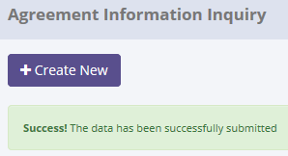
ProcessID | OriginalID | AgreementNumber | CreatedDate | CreatedBy | Action
77A9EB09-1626-4219-9143-2A592E58E624 | 12 | AG20150521 | 5/21/15 | Achmad Fardani | Submit
82D7FCB3-7A6B-4194-B736-F6B6362B0170 | 12 | AG20150521 | 5/21/15 | Achmad Fardani | Save Changes
A8AA7EE0-3535-4612-B93C-88E09C51C067 | 12 | AG20150521 | 5/21/15 | Achmad Fardani | Save Changes

SELECT *
FROM [olss_qa_cr].[dbo].[OplQuotation_History_Dtl]
WHERE ProcessID='77A9EB09-1626-4219-9143-2A592E58E624';

ProcessID | IdOPLAgreement | PICFullName | PICPositionName | PICEmailAddress | PICTelephone | CustomerCode | AgreementNumberReff | CustomerCodeReff | AgreementNumber | AgreementDate | StartPeriodDate | EndPeriodDate | TerminateDate | LeaseCategory | IsInsurance | PurchaseAfterLease | PaymentTransactionType | FDueDateUsage | FDDatePayment | TermOfPayment | DepositPaymentDate | DepositReturnDate | DepositAmount | NumberOfPayments | TotalMonthlyInstallment | TotalUnitQuantity | IssueInvoiceDate | InterestOfPenalty | Remarks | IsValid | IsDraft | IsSubmitted | IsDeleted | CreateDate | CreateBy | LastModified | LastModifiedBy | BASTHAndoverSchedule
77A9EB09-1626-4219-9143-2A592E58E624 | 12 | Deny Purnama | PIC Officer | deny@bsi.com | 98797898667 | 1020873 | NULL | NULL | AG20150521 | 2014-12-01 | 2014-12-03 | 2015-05-14 | NULL | 7 | 1 | 1 | 31 | 2015-01-03 | NULL | NULL | NULL | NULL | NULL | NULL | 183334 | 0 | 2015-01-03 | NULL | NULL | 0 | 1 | 0 | 0 | 2015-05-21 14:37:50 | Achmad Fardani | 2015-05-21 14:45:53 | Achmad Fardani | 2014-12-02

